Manual WAG
Security
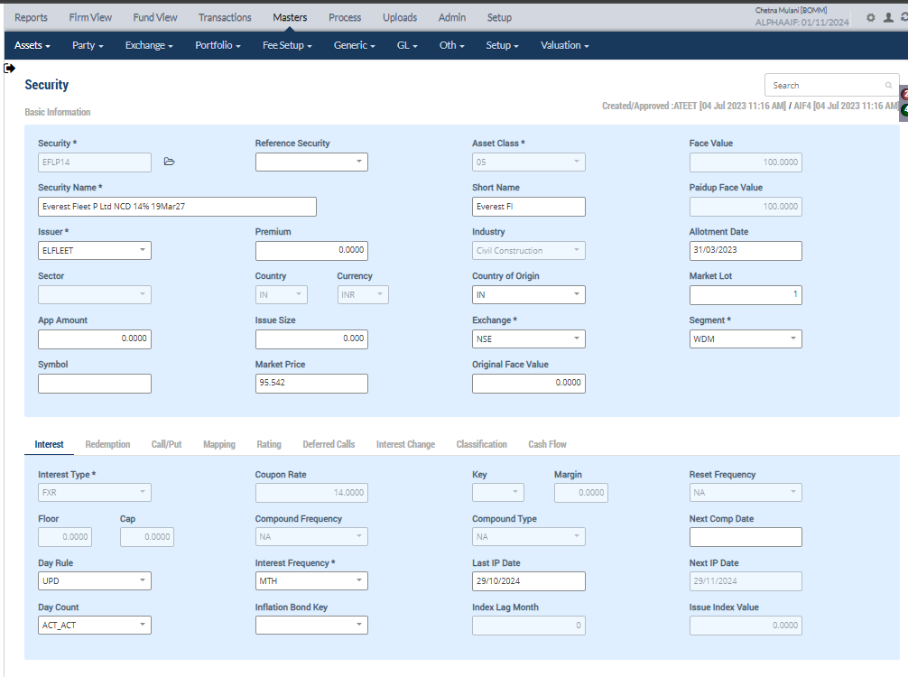

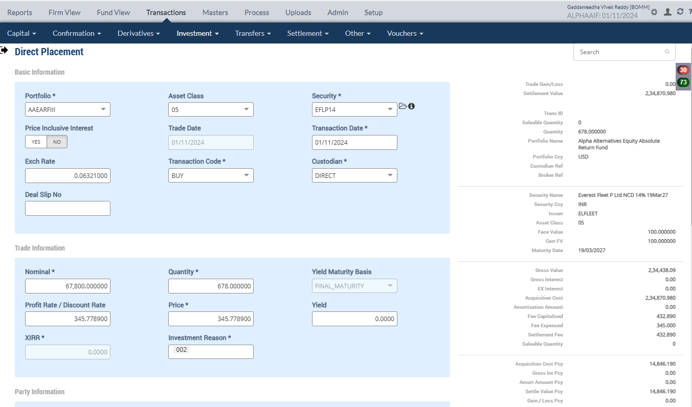
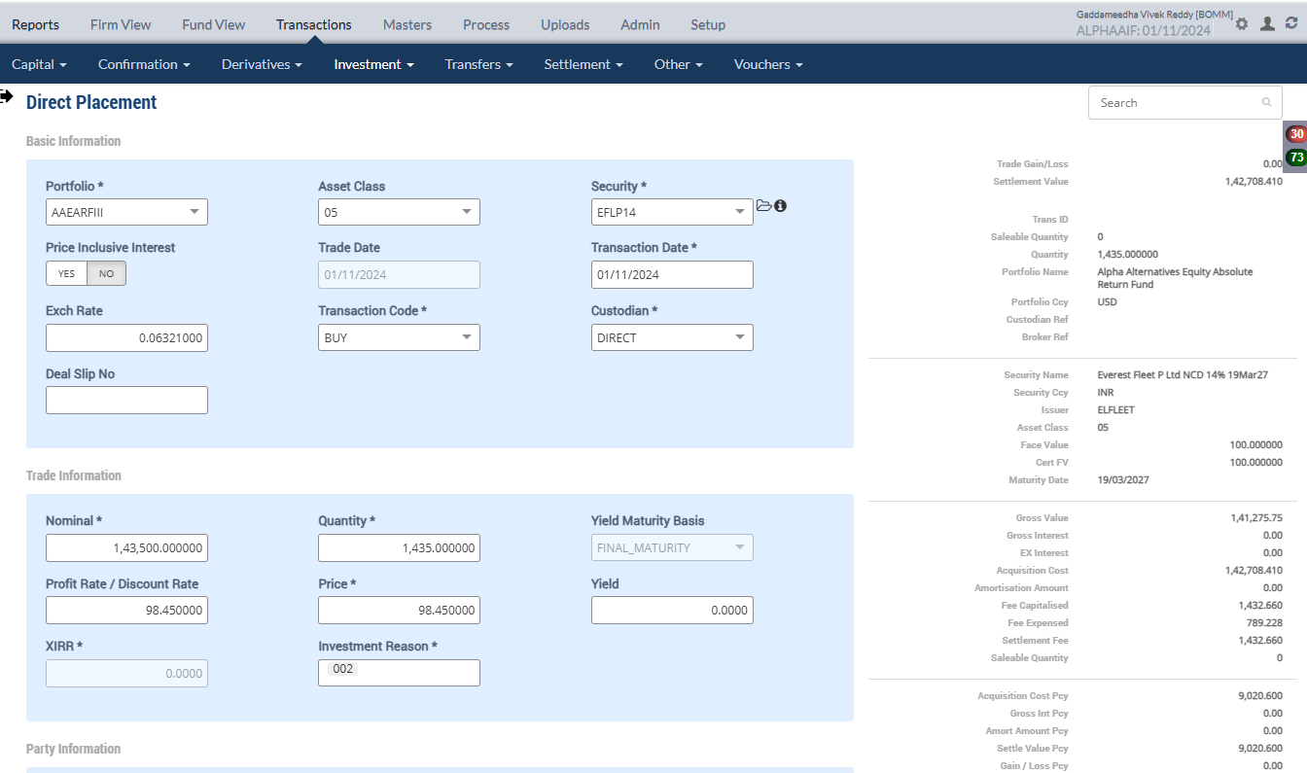
Direct Placement (NCD - BUY)
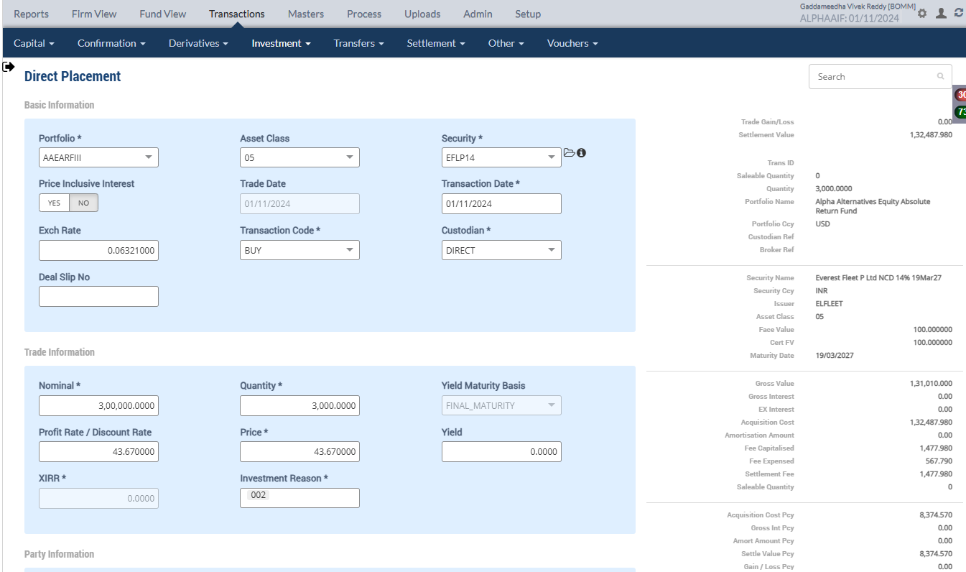

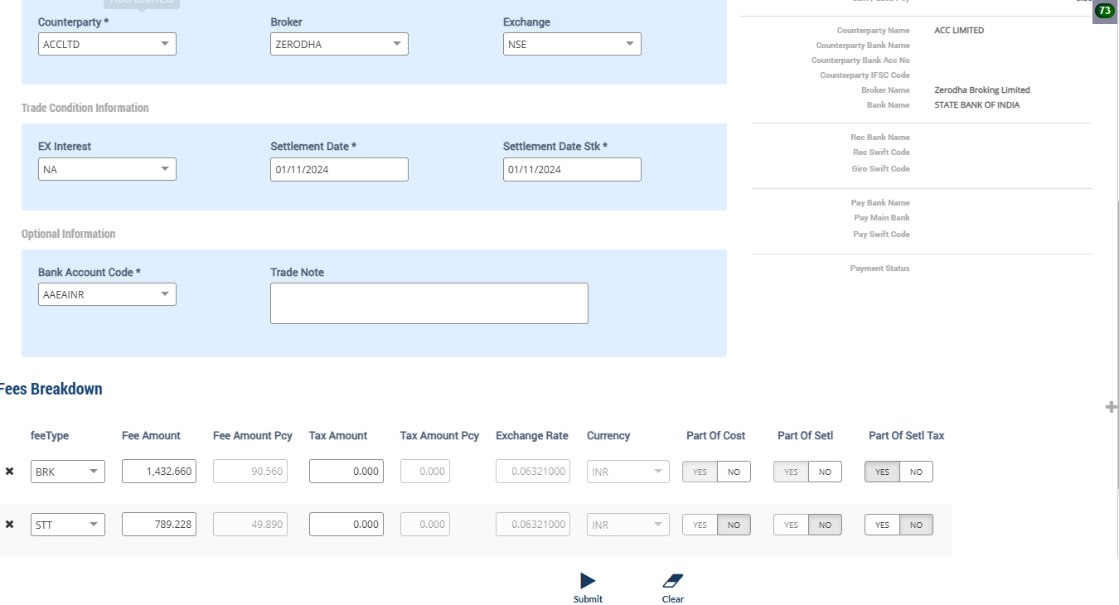
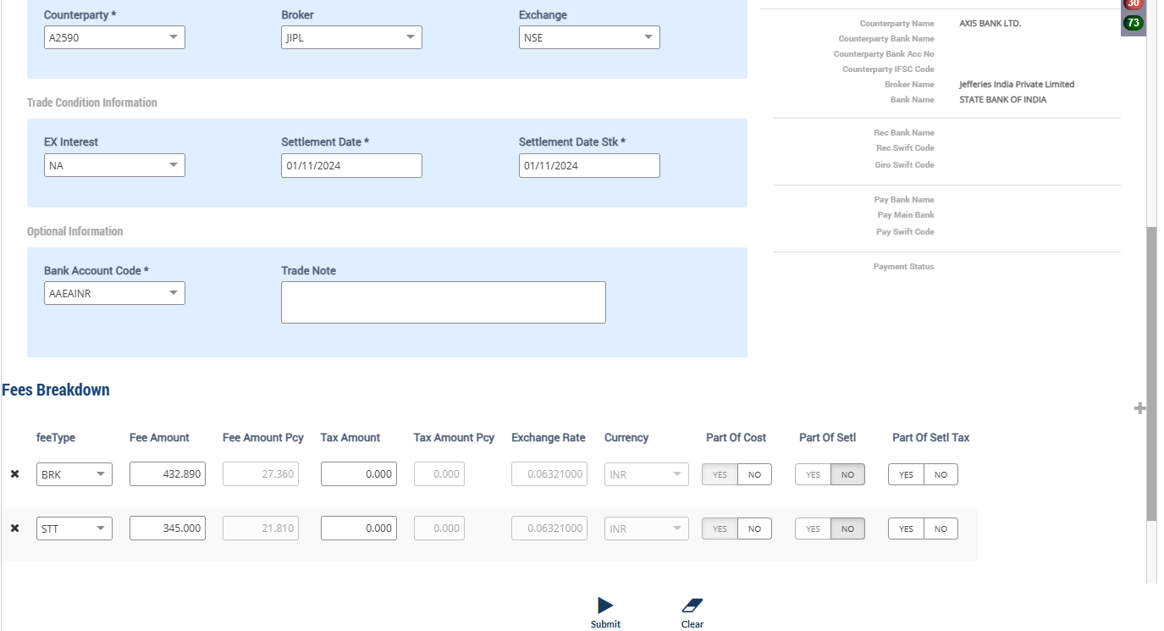
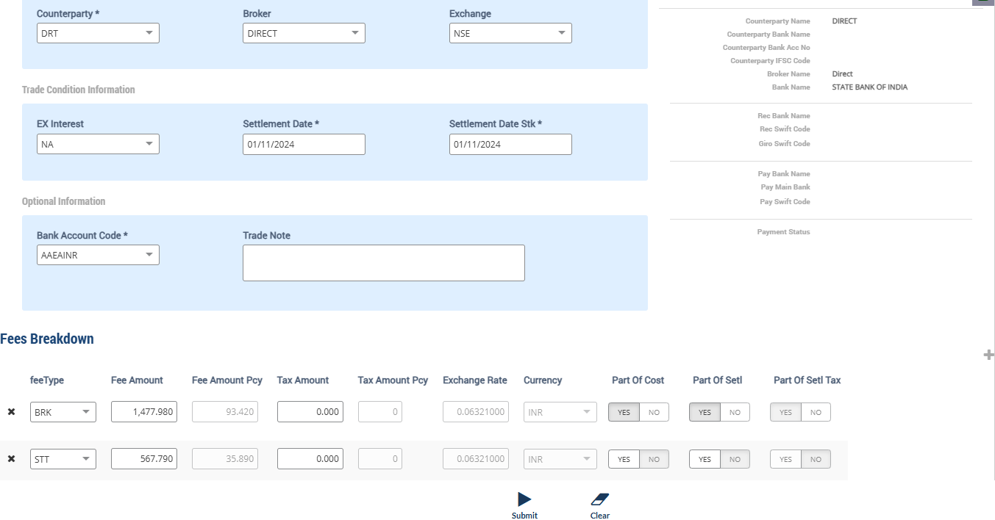

Accounting Enquiry
Portfolio | Portfolio Class | Entry Date | Trans Date | Ledger ID | Trans ID | Module Ref | Account Type | Control AC | Control AC Name | Gl Entry Code | Gl Account | Gl Account Name | Currency | Credit/Debit | Amount Tcy | Amount Pcy | Exch Rate | Asset Class | Asset Group | Security | Security Type | Trans Code | Broker | Counterparty | Narration | Is Reversed | Is Sysgen | Portfolio Currency | Trans Ref
AAEARFIII |  | 01-Nov-2024 | 01-Nov-2024 | CF244101580000133504 | CF2441015800001335 | ORDCONFIRM | LIA | 212024 | STT Payable | STTAMOUNTPAY | 212024-INR | STT Payable | INR | Cr | 345.00 | 21.81 | 0.06321 | 05 |  | EFLP14 | INV | BUY | JIPL | A2590 | STT Charges Payable on Purchase of 678 quantity of EFLP14 Everest Fleet P Ltd NCD 14% 19Mar27 | N | N | USD | PL2441015800000332
AAEARFIII |  | 01-Nov-2024 | 01-Nov-2024 | CF244101580000133503 | CF2441015800001335 | ORDCONFIRM | EXP | 810324 | STT Fee | STTAMOUNTEXP | 810324-INR | STT Fee | INR | Dr | -345.00 | -21.81 | 0.06321 | 05 |  | EFLP14 | INV | BUY | JIPL | A2590 | STT Charges Expense on Purchase of 678 quantity of EFLP14 Everest Fleet P Ltd NCD 14% 19Mar27 | N | N | USD | PL2441015800000332
AAEARFIII |  | 01-Nov-2024 | 01-Nov-2024 | CF244101580000133502 | CF2441015800001335 | ORDCONFIRM | AST | 110100 | Current Bank Account | CURRENTBACCOUNT | 110100-AAEAINR-INR | Current Bank Account | INR | Cr | 234,870.98 | 14,846.19 | 0.06321 | 05 |  | EFLP14 | INV | BUY | JIPL | A2590 | Purchase Trade settlement 678 quantity of EFLP14 Everest Fleet P Ltd NCD 14% 19Mar27 | N | N | USD | PL2441015800000332
AAEARFIII |  | 01-Nov-2024 | 01-Nov-2024 | CF244101580000133501 | CF2441015800001335 | ORDCONFIRM | AST | 010101 | Investments | INVESTMENT | 010101-05-INR | Investments | INR | Dr | -234,870.98 | -14,846.19 | 0.06321 | 05 |  | EFLP14 | INV | BUY | JIPL | A2590 | Purchase of 678 quantity of EFLP14 Everest Fleet P Ltd NCD 14% 19Mar27 | N | N | USD | PL2441015800000332
AAEARFIII |  | 01-Nov-2024 | 01-Nov-2024 | CF244101580000133404 | CF2441015800001334 | ORDCONFIRM | LIA | 212024 | STT Payable | STTAMOUNTPAY | 212024-INR | STT Payable | INR | Cr | 567.79 | 35.89 | 0.06321 | 05 |  | EFLP14 | INV | BUY | DIRECT | DRT | STT Charges Payable on Purchase of 3000 quantity of EFLP14 Everest Fleet P Ltd NCD 14% 19Mar27 | N | N | USD | PL2441015800000331
AAEARFIII |  | 01-Nov-2024 | 01-Nov-2024 | CF244101580000133403 | CF2441015800001334 | ORDCONFIRM | EXP | 810324 | STT Fee | STTAMOUNTEXP | 810324-INR | STT Fee | INR | Dr | -567.79 | -35.89 | 0.06321 | 05 |  | EFLP14 | INV | BUY | DIRECT | DRT | STT Charges Expense on Purchase of 3000 quantity of EFLP14 Everest Fleet P Ltd NCD 14% 19Mar27 | N | N | USD | PL2441015800000331
AAEARFIII |  | 01-Nov-2024 | 01-Nov-2024 | CF244101580000133402 | CF2441015800001334 | ORDCONFIRM | AST | 110100 | Current Bank Account | CURRENTBACCOUNT | 110100-AAEAINR-INR | Current Bank Account | INR | Cr | 132,487.98 | 8,374.57 | 0.06321 | 05 |  | EFLP14 | INV | BUY | DIRECT | DRT | Purchase Trade settlement 3000 quantity of EFLP14 Everest Fleet P Ltd NCD 14% 19Mar27 | N | N | USD | PL2441015800000331
AAEARFIII |  | 01-Nov-2024 | 01-Nov-2024 | CF244101580000133401 | CF2441015800001334 | ORDCONFIRM | AST | 010101 | Investments | INVESTMENT | 010101-05-INR | Investments | INR | Dr | -132,487.98 | -8,374.57 | 0.06321 | 05 |  | EFLP14 | INV | BUY | DIRECT | DRT | Purchase of 3000 quantity of EFLP14 Everest Fleet P Ltd NCD 14% 19Mar27 | N | N | USD | PL2441015800000331
AAEARFIII |  | 01-Nov-2024 | 01-Nov-2024 | CF244101580000133204 | CF2441015800001332 | ORDCONFIRM | LIA | 212024 | STT Payable | STTAMOUNTPAY | 212024-INR | STT Payable | INR | Cr | 789.23 | 49.89 | 0.06321 | 05 |  | EFLP14 | INV | BUY | ZERODHA | ACCLTD | STT Charges Payable on Purchase of 1435 quantity of EFLP14 Everest Fleet P Ltd NCD 14% 19Mar27 | N | N | USD | PL2441015800000329
AAEARFIII |  | 01-Nov-2024 | 01-Nov-2024 | CF244101580000133203 | CF2441015800001332 | ORDCONFIRM | EXP | 810324 | STT Fee | STTAMOUNTEXP | 810324-INR | STT Fee | INR | Dr | -789.23 | -49.89 | 0.06321 | 05 |  | EFLP14 | INV | BUY | ZERODHA | ACCLTD | STT Charges Expense on Purchase of 1435 quantity of EFLP14 Everest Fleet P Ltd NCD 14% 19Mar27 | N | N | USD | PL2441015800000329
AAEARFIII |  | 01-Nov-2024 | 01-Nov-2024 | CF244101580000133202 | CF2441015800001332 | ORDCONFIRM | AST | 110100 | Current Bank Account | CURRENTBACCOUNT | 110100-AAEAINR-INR | Current Bank Account | INR | Cr | 142,708.41 | 9,020.60 | 0.06321 | 05 |  | EFLP14 | INV | BUY | ZERODHA | ACCLTD | Purchase Trade settlement 1435 quantity of EFLP14 Everest Fleet P Ltd NCD 14% 19Mar27 | N | N | USD | PL2441015800000329
AAEARFIII |  | 01-Nov-2024 | 01-Nov-2024 | CF244101580000133201 | CF2441015800001332 | ORDCONFIRM | AST | 010101 | Investments | INVESTMENT | 010101-05-INR | Investments | INR | Dr | -142,708.41 | -9,020.60 | 0.06321 | 05 |  | EFLP14 | INV | BUY | ZERODHA | ACCLTD | Purchase of 1435 quantity of EFLP14 Everest Fleet P Ltd NCD 14% 19Mar27 | N | N | USD | PL2441015800000329

Purchase Sale
Portfolio | Portfolio Name | Sector Name | Industry Name | Trans Date | Settlement Date | Transaction ID | Transaction Type | Security | Security Name | Strike Price | Asset Class | Asset Name | Exchange | Issuer | Broker | Broker Name | CounterParty | CounterParty Name | Custodian Name | Quantity | Rate | Gross Value | Yield | Brokerage |  | Brokerage % | Stt Amount | Clearing Fees | Stamp Duty | Net Amount TCY | Net Amount PCY | Acquisition Cost TCY | Acquisition Cost PCY | Cost Adjustment PCY | Cost Adjustment TCY | Gain Loss TCY | Gross Interest PCY | Gross Interest TCY | Gross Interest PCY
AAEARFIII | Alpha Alternatives Equity Absolute Return Fund | IN070101 | Civil Construction | 01-Nov-2024 | 01-Nov-2024 | CF2441015800001334 | BUY | EFLP14 | Everest Fleet P Ltd NCD 14% 19Mar27 | 0.00 | 05 | NCD - Non Convertible Deb | NSE | ELFLEET | DIRECT | Direct |  |  |  | 3,000.00 | 43.670000 | 8,281.14 | 0.0000% | 93.42 |  | 1.128106 | 35.89 | 0.00 | 0.00 | 132,487.98 | 8,374.57 | 132,487.98 | 8,374.57 | 0.00 | 0.00 | 0.00 | 0.00 | 0.00 | 0.00
AAEARFIII | Alpha Alternatives Equity Absolute Return Fund | IN070101 | Civil Construction | 01-Nov-2024 | 01-Nov-2024 | CF2441015800001332 | BUY | EFLP14 | Everest Fleet P Ltd NCD 14% 19Mar27 | 0.00 | 05 | NCD - Non Convertible Deb | NSE | ELFLEET | ZERODHA | Zerodha Broking Limited |  |  |  | 1,435.00 | 98.450000 | 8,930.04 | 0.0000% | 90.56 |  | 1.014105 | 49.89 | 0.00 | 0.00 | 142,708.41 | 9,020.60 | 142,708.41 | 9,020.60 | 0.00 | 0.00 | 0.00 | 0.00 | 0.00 | 0.00
AAEARFIII | Alpha Alternatives Equity Absolute Return Fund | IN070101 | Civil Construction | 01-Nov-2024 | 01-Nov-2024 | CF2441015800001335 | BUY | EFLP14 | Everest Fleet P Ltd NCD 14% 19Mar27 | 0.00 | 05 | NCD - Non Convertible Deb | NSE | ELFLEET | JIPL | Jefferies India Private Limited |  |  |  | 678.00 | 345.778900 | 14,818.83 | 0.0000% | 27.36 |  | 0.184630 | 21.81 | 0.00 | 0.00 | 234,870.98 | 14,846.19 | 234,870.98 | 14,846.19 | 0.00 | 0.00 | 0.00 | 0.00 | 0.00 | 0.00

Holding
Symbol | Security | Security Name | Security Listed | TCY | ISIN Code | Maturity Date | Quantity | Average Price | Strike Price | Book Cost in TCY | Book Cost in PCY | Market Price | Market Value in TCY | Market Value in PCY | % of NAV | Interest Accruals in TCY | Interest Accruals in PCY | Accrued AOD TCY | Accrued AOD PCY | Amortised Cost PCY | Amortised Cost Per Unit | Exchange | App/Dep in TCY | App/Dep in PCY | Unrel GL TCY | Unrel GL PCY | Unrel GL FX PCY | Variable Margin TCY | Variable Margin PCY | Market Price Date
 | EFLP14 | Everest Fleet P Ltd NCD 14% 19Mar27 |  | INR |  | 19-Mar-2027 | 5,113.0000 | 99.7589 | 0.000000 | 510,067.37 | 32,241.36 | 95.5420 | 488,506.25 | 30,878.48 | 0.0177 | 0.00 | 0.00 | 0.00 | 0.00 | 32,241.36 | 0.00 |  | (21,561.12) | (1,362.88) | 0.00 | 0.00 | 0.00 | 0.00 | 0.00 | 30-Jun-2023

Market Price Upload

Holding
Symbol | Security | Security Name | Security Listed | TCY | ISIN Code | Maturity Date | Quantity | Average Price | Strike Price | Book Cost in TCY | Book Cost in PCY | Market Price | Market Value in TCY | Market Value in PCY | % of NAV | Interest Accruals in TCY | Interest Accruals in PCY | Accrued AOD TCY | Accrued AOD PCY | Amortised Cost PCY | Amortised Cost Per Unit | Exchange | App/Dep in TCY | App/Dep in PCY | Unrel GL TCY | Unrel GL PCY | Unrel GL FX PCY | Variable Margin TCY | Variable Margin PCY | Market Price Date
 | EFLP14 | Everest Fleet P Ltd NCD 14% 19Mar27 |  | INR |  | 19-Mar-2027 | 5,113.0000 | 99.7589 | 0.000000 | 510,067.37 | 32,241.36 | 86.4400 | 441,967.72 | 27,936.78 | 0.0081 | 0.00 | 0.00 | 0.00 | 0.00 | 32,241.36 | 0.00 | 0.063210 | (68,099.65) | (4,304.58) | (68,099.65) | (4,304.58) | 0.00 | 0.00 | 0.00 | 01-Nov-2024

 |  |  |  |  |  |  |  |  |  |  | 32,241.36 |  |  | 27,936.78 |  |  |  |  |  |  |  |  | -68,099.65 | -4,304.58

Accounting Enquiry
Portfolio | Portfolio Class | Entry Date | Trans Date | Ledger ID | Trans ID | Module Ref | Account Type | Control AC | Control AC Name | Gl Entry Code | Gl Account | Gl Account Name | Currency | Credit/Debit | Amount Tcy | Amount Pcy | Exch Rate | Asset Class | Asset Group | Security | Security Type | Trans Code | Broker | Counterparty | Narration | Is Reversed | Is Sysgen | Portfolio Currency | Trans Ref
AAEARFIII |  | 01-Nov-2024 | 01-Nov-2024 | UG244101580014548402 | UG2441015800145484 | UNREAL_GAINLOSS | INC | 510000 | Unrealised Gain/Loss On INVESTMENT | UNREALGLINVEST | 510000-05-INR | Unrealised Gain/Loss On INVESTMENT | INR | Dr | -68,099.65 | -4,304.58 | 0.06321 | 05 |  | EFLP14 | INV | UPRFLS |  |  | Unrealised Gain/Loss on Security EFLP14 on the Price change - Strike Price 0 Everest Fleet P Ltd NCD 14% 19Mar27 | N | Y | USD | UG2441015800145484
AAEARFIII |  | 01-Nov-2024 | 01-Nov-2024 | UG244101580014548401 | UG2441015800145484 | UNREAL_GAINLOSS | AST | 010110 | Investments - App/(Dep) | INVESTAPPDEP | 010110-05-INR | Investments - App/(Dep) | INR | Cr | 68,099.65 | 4,304.58 | 0.06321 | 05 |  | EFLP14 | INV | UPRFLS |  |  | Unrealised Gain/Loss on Security EFLP14 on the Price change - Strike Price 0 Everest Fleet P Ltd NCD 14% 19Mar27 | N | Y | USD | UG2441015800145484

Trial Balance
 |  |  |  | Portfolio Currency : |  |  |  | Transaction Currency
Account |  | Asset Class | Account Name | Debit | Credit | Net Cumulative Balance |  | Debit | Credit | Exchange Rate
510000-05-INR |  | NCD | Unrealised Gain/Loss On INVESTMENT | 0.00 | 39,217.59 | 2,997,441.71 | CR | 0.00 | 620,433.56 | 0.0632
010110-05-INR |  | NCD | Investments - App/(Dep) | 39,217.59 | 0.00 | 62,535,159.72 | DR | 620,433.56 | 0.00 | 0.0632

Bank Transaction Report
Date | Voucher No | ------------------Details------------------- | Currency | Transaction Type | Amount Cr/Dr in Transaction Currency | Exchange Rate | Amount Cr/Dr in Fund Currency | Balance in Fund Currency | Security | Broker / Cparty | Payment Mode | Type

110100-AAEAINR-INR - Current Bank Account Bank: AAEAINRALPHA ALTERNATIVES EQUITY ABSOLUTE RETURN FUND - INR
01-Nov-2024 | CF2441015800001332 | Purchase Trade settlement 1435 quantity of EFLP14 | INR | BUY | (142,708.41) | 0.06321 | (9,020.60) | 13,654,202.4000
01-Nov-2024 | CF2441015800001334 | Purchase Trade settlement 3000 quantity of EFLP14 | INR | BUY | (132,487.98) | 0.06321 | (8,374.57) | 13,645,827.8300
01-Nov-2024 | CF2441015800001335 | Purchase Trade settlement 678 quantity of EFLP14 | INR | BUY | (234,870.98) | 0.06321 | (14,846.19) | 13,630,981.6400

Direct Placement (NCD - SELL)
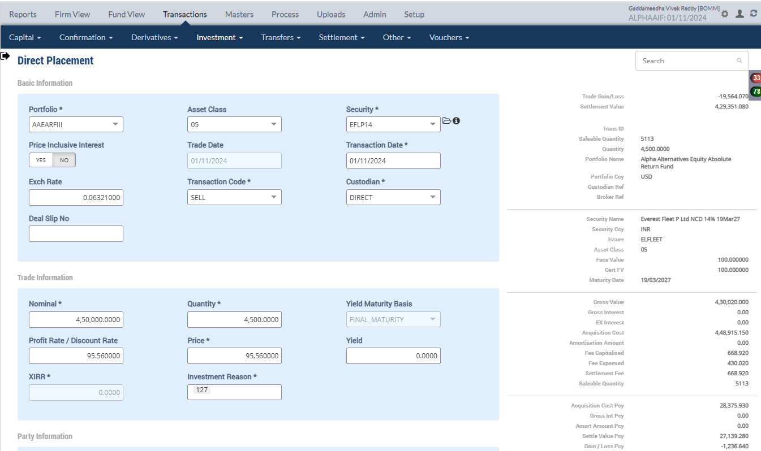

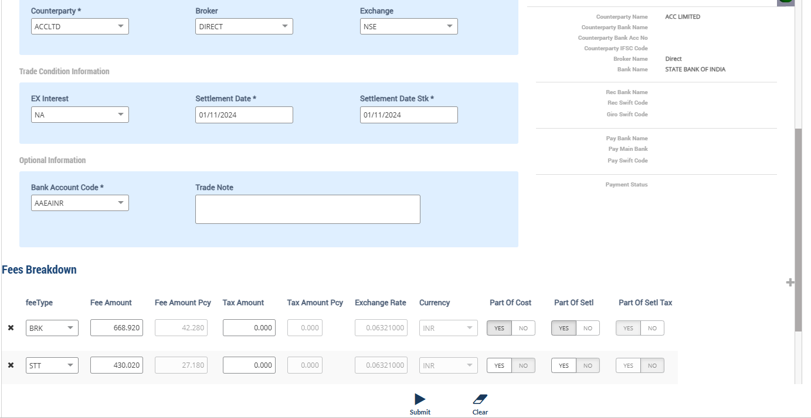

Accounting Enquiry
Portfolio | Portfolio Class | Entry Date | Trans Date | Ledger ID | Trans ID | Module Ref | Account Type | Control AC | Control AC Name | Gl Entry Code | Gl Account | Gl Account Name | Currency | Credit/Debit | Amount Tcy | Amount Pcy | Exch Rate | Asset Class | Asset Group | Security | Security Type | Trans Code | Broker | Counterparty | Narration | Is Reversed | Is Sysgen | Portfolio Currency | Trans Ref
AAEARFIII |  | 01-Nov-2024 | 01-Nov-2024 | CF244101580000133608 | CF2441015800001336 | ORDCONFIRM | INC | 999999 | Currency round off | CCYROUNDDIFF | 999999-USD | Currency round off | USD | Dr | -00.01 | -00.01 | 1 | 05 |  | EFLP14 | INV | SELL | DIRECT | ACCLTD | Currency Rounding difference Adjustments Everest Fleet P Ltd NCD 14% 19Mar27 | N | N | USD | PL2441015800000333
AAEARFIII |  | 01-Nov-2024 | 01-Nov-2024 | CF244101580000133607 | CF2441015800001336 | ORDCONFIRM | AST | 010110 | Investments - App/(Dep) | INVESTAPPDEP | 010110-05-INR | Investments - App/(Dep) | INR | Dr | -59,935.15 | -3,788.50 | 0.06321 | 05 |  | EFLP14 | INV | SELL | DIRECT | ACCLTD | Unrel Appr/depr Reversal for sale transaction Everest Fleet P Ltd NCD 14% 19Mar27 | N | N | USD | PL2441015800000333
AAEARFIII |  | 01-Nov-2024 | 01-Nov-2024 | CF244101580000133606 | CF2441015800001336 | ORDCONFIRM | INC | 510000 | Unrealised Gain/Loss On INVESTMENT | UNREALGLINVEST | 510000-05-INR | Unrealised Gain/Loss On INVESTMENT | INR | Cr | 59,935.15 | 3,788.50 | 0.06321 | 05 |  | EFLP14 | INV | SELL | DIRECT | ACCLTD | Unrel Appr/depr Reversal for sale transaction Everest Fleet P Ltd NCD 14% 19Mar27 | N | N | USD | PL2441015800000333
AAEARFIII |  | 01-Nov-2024 | 01-Nov-2024 | CF244101580000133605 | CF2441015800001336 | ORDCONFIRM | INC | 810010 | Loss on Sale of Investments - Market | MARKETLOSS | 810010-05-INR | Loss on Sale of Investments - Market | INR | Dr | -19,564.07 | -1,236.64 | 0.06321 | 05 |  | EFLP14 | INV | SELL | DIRECT | ACCLTD | Market Loss on Sale of 4500 quantity of EFLP14 Everest Fleet P Ltd NCD 14% 19Mar27 | N | N | USD | PL2441015800000333
AAEARFIII |  | 01-Nov-2024 | 01-Nov-2024 | CF244101580000133604 | CF2441015800001336 | ORDCONFIRM | LIA | 212024 | STT Payable | STTAMOUNTPAY | 212024-INR | STT Payable | INR | Cr | 430.02 | 27.18 | 0.06321 | 05 |  | EFLP14 | INV | SELL | DIRECT | ACCLTD | STT Charges Payable on Sale of 4500 quantity of EFLP14 Everest Fleet P Ltd NCD 14% 19Mar27 | N | N | USD | PL2441015800000333
AAEARFIII |  | 01-Nov-2024 | 01-Nov-2024 | CF244101580000133603 | CF2441015800001336 | ORDCONFIRM | EXP | 810324 | STT Fee | STTAMOUNTEXP | 810324-INR | STT Fee | INR | Dr | -430.02 | -27.18 | 0.06321 | 05 |  | EFLP14 | INV | SELL | DIRECT | ACCLTD | STT Charges Expense on Sale of 4500 quantity of EFLP14 Everest Fleet P Ltd NCD 14% 19Mar27 | N | N | USD | PL2441015800000333
AAEARFIII |  | 01-Nov-2024 | 01-Nov-2024 | CF244101580000133602 | CF2441015800001336 | ORDCONFIRM | AST | 110100 | Current Bank Account | CURRENTBACCOUNT | 110100-AAEAINR-INR | Current Bank Account | INR | Dr | -429,351.08 | -27,139.28 | 0.06321 | 05 |  | EFLP14 | INV | SELL | DIRECT | ACCLTD | Sale Trade Settlement of 4500 quantity of EFLP14 Everest Fleet P Ltd NCD 14% 19Mar27 | N | N | USD | PL2441015800000333
AAEARFIII |  | 01-Nov-2024 | 01-Nov-2024 | CF244101580000133601 | CF2441015800001336 | ORDCONFIRM | AST | 010101 | Investments | INVESTMENT | 010101-05-INR | Investments | INR | Cr | 448,915.15 | 28,375.93 | 0.06321 | 05 |  | EFLP14 | INV | SELL | DIRECT | ACCLTD | Cost of Sale on 4500 quantity of EFLP14 Everest Fleet P Ltd NCD 14% 19Mar27 | N | N | USD | PL2441015800000333

 |  |  |  |  |  |  |  |  |  |  |  |  |  | Calculation | Market Price | Acquisition Cost | APP/DEP
 |  |  |  |  |  |  |  |  |  |  |  |  |  |  | 388,980.00 | 448,915.05 | 59,935.05
Trial Balance
 |  |  |  | Portfolio Currency : |  |  |  | Transaction Currency |  |  |  |  |  |  | Sell Cost | Acquisition Cost | Brokerage Fee | Profit/Loss |  | -25,902.64
Account |  | Asset Class | Account Name | Debit | Credit | Net Cumulative Balance |  | Debit | Credit | Exchange Rate |  |  |  |  | 429,351.08 | 448,915.05 | 668.92 | -19,563.97
010101-05-INR |  | NCD | Investments | 20,742,349.80 | 0.00 | 26,838,915.55 | DR | 1,743,667,113.21 | 0.00 | 0.0119
010110-05-INR |  | NCD | Investments - App/(Dep) | 43,006.09 | 0.00 | 62,510,572.29 | DR | 680,368.71 | 0.00 | 0.0632 |  |  |  |  | 99.7589222
110100-AAEAINR-INR |  |  | Current Bank Account | 27,099,613.59 | 0.00 | 24,019,327.31 | DR | 428,723,518.33 | 0.00 | 0.0632
212024-INR |  |  | STT Payable | 40,831.17 | 0.00 | 3,653,217.81 | DR | 645,960.54 | 0.00 | 0.0632
810324-INR |  |  | STT Fee | 277,707.96 | 0.00 | 277,707.96 | DR | 23,109,147.69 | 0.00 | 0.012
510000-05-INR |  | NCD | Unrealised Gain/Loss On INVESTMENT | 0.00 | 43,006.09 | 3,001,230.21 | CR | 0.00 | 680,368.71 | 0.0632
810010-05-INR |  | NCD | Loss on Sale of Investments - Market | 29,175.43 | 0.00 | 83,122,465.83 | DR | 2,347,240.80 | 0.00 | 0.0124
999999-USD |  |  | Currency round off | 61.92 | 0.00 | 31,443,397.24 | DR | 61.92 | 0.00 | 1

Holding
Symbol | Security | Security Name | Security Listed | TCY | ISIN Code | Maturity Date | Quantity | Average Price | Strike Price | Book Cost in TCY | Book Cost in PCY | Market Price | Market Value in TCY | Market Value in PCY | % of NAV | Interest Accruals in TCY | Interest Accruals in PCY | Accrued AOD TCY | Accrued AOD PCY | Amortised Cost PCY | Amortised Cost Per Unit | Exchange | App/Dep in TCY | App/Dep in PCY | Unrel GL TCY | Unrel GL PCY | Unrel GL FX PCY | Variable Margin TCY | Variable Margin PCY | Market Price Date
 | EFLP14 | Everest Fleet P Ltd NCD 14% 19Mar27 |  | INR |  | 19-Mar-2027 | 613.0000 | 99.7589 | 0.000000 | 61,152.22 | 3,865.43 | 86.4400 | 52,987.72 | 3,349.35 | 0.0019 | 0.00 | 0.00 | 0.00 | 0.00 | 3,865.43 | 0.00 | 0.063210 | (8,164.50) | (516.08) | (8,164.50) | (516.08) | 0.00 | 0.00 | 0.00 | 01-Nov-2024

 |  |  |  |  |  |  |  |  |  |  | 3,865.43 |  | 52,987.72 | 3,349.35 |  |  |  |  |  |  |  |  | -8,164.50 | -516.08

Purchase Sale
Portfolio | Portfolio Name | Sector Name | Industry Name | Trans Date | Settlement Date | Transaction ID | Transaction Type | Security | Security Name | Strike Price | Asset Class | Asset Name | Exchange | Broker | Broker Name | CounterParty | CounterParty Name | Custodian Name | Quantity | Rate | Gross Value | Yield | Brokerage | Brokerage % | Stt Amount | Clearing Fees | Others Fees | Net Amount TCY | Net Amount PCY | Acquisition Cost TCY | Acquisition Cost PCY | Gain Loss TCY | Gain Loss PCY | Gross Interest TCY | Gross Interest PCY
AAEARFIII | Alpha Alternatives Equity Absolute Return Fund | IN070101 | Civil Construction | 01-Nov-2024 | 01-Nov-2024 | CF2441015800001336 | SELL | EFLP14 | Everest Fleet P Ltd NCD 14% 19Mar27 | 0.00 | 05 | NCD - Non Convertible Deb | NSE | DIRECT | Direct |  |  |  | 4,500.00 | 95.560000 | 27,181.56 | 0.0000% | 42.28 | 0.155547 | 27.18 | 0.00 | 0.00 | 429,351.08 | 27,139.28 | 448,915.15 | 28,375.93 | (19,564.07) | (1,236.64) | 0.00 | 0.00

Upload WAG
PORTFOLIO | SECURITY | ISIN_CODE | BROKER | QUANTITY | PRICE | EXCHANGE | SEGMENT | TRANS_CODE | TRADE_DATE | SETL_DATE | Deal SliP No | DELIVERY_TYPE | BANK_ACC_CODE | BANK_TXN_MODE | BANK_ACC_AMT_ACY | YIELD | COUNTERPARTY | IS_COMPUTE_FEE | CUM_EX_BEN_TYPE | GROSS_INT_TCY | EX_INT_TCY | NET_AMOUNT_TCY | Brokerage | STT Amount | CCIl Charges | REC_REMARKS | Stamp duty
AAEARFIII | ELPL1480 | ELPL1480 | INCRED | 614.00 | 45.88 | NSE | CM | BUY | 1-Nov-24 | 2-Nov-24 |  | CH | AAEAINR | TRF | 28,170.32 |  |  | N | NA | 0.00 | 0.00 | 30,516.09 | 2,345.77 | 1,788.76 | 0.00 | DealUpload | 0.00
AAEARFIII | ELPL1480 | ELPL1480 | INCRED | 567.00 | 89.44 | NSE | CM | BUY | 1-Nov-24 | 2-Nov-24 |  | CH | AAEAINR | TRF | 50,712.48 |  |  | N | NA | 0.00 | 0.00 | 54,168.35 | 3,455.87 | 2,866.21 | 0.00 | DealUpload | 0.00
AAEARFIII | ELPL1480 | ELPL1480 | INCRED | 198.00 | 213.77 | NSE | CM | BUY | 1-Nov-24 | 1-Nov-24 |  | CH | AAEAINR | TRF | 42,326.46 |  |  | N | NA | 0.00 | 0.00 | 48,903.46 | 6,577.00 | 4,339.33 | 0.00 | DealUpload | 0.00

MOE Confirmation
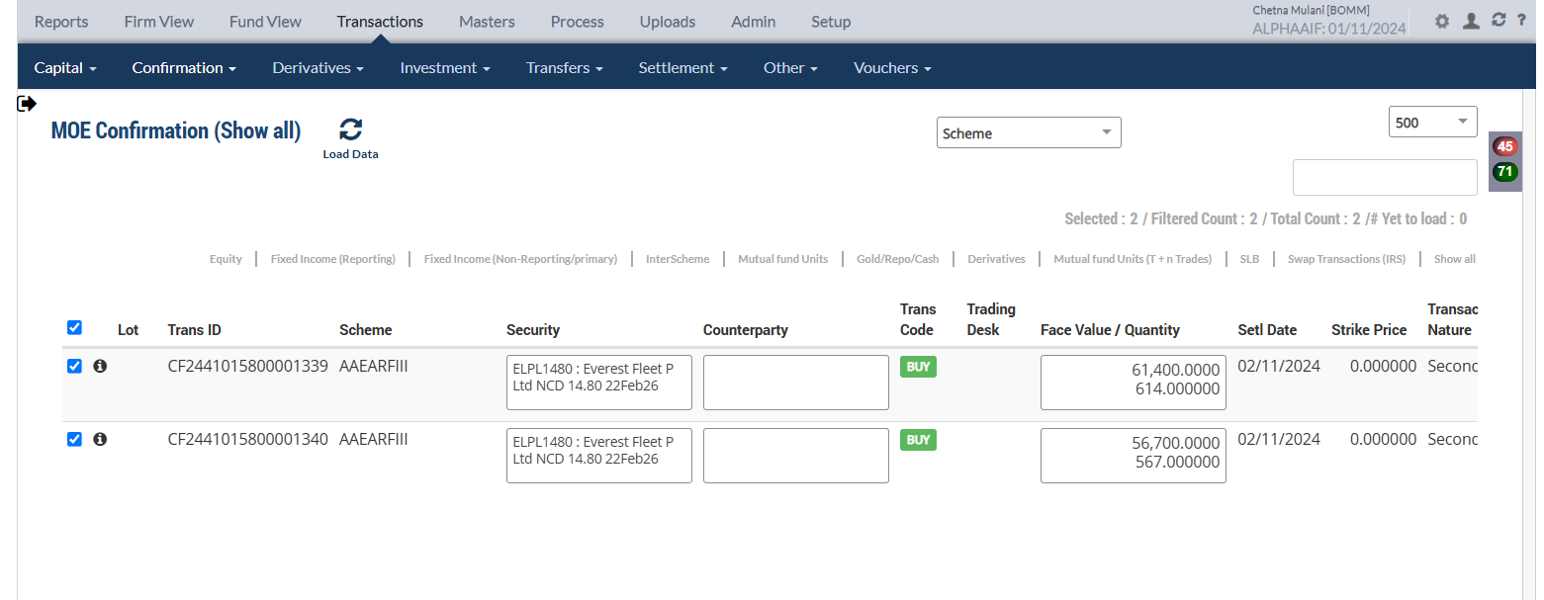

Accounting Enquiry
Portfolio | Portfolio Class | Entry Date | Trans Date | Ledger ID | Trans ID | Module Ref | Account Type | Control AC | Control AC Name | Gl Entry Code | Gl Account | Gl Account Name | Currency | Credit/Debit | Amount Tcy | Amount Pcy | Exch Rate | Asset Class | Asset Group | Security | Security Type | Trans Code | Broker | Counterparty | Narration | Is Reversed | Is Sysgen | Portfolio Currency | Trans Ref
AAEARFIII |  | 01-Nov-2024 | 01-Nov-2024 | CF244101580000134404 | CF2441015800001344 | ORDCONFIRM | LIA | 212024 | STT Payable | STTAMOUNTPAY | 212024-INR | STT Payable | INR | Cr | 4,339.33 | 274.29 | 0.06321 | 05 |  | ELPL1480 | INV | BUY | INCRED |  | STT Charges Payable on Purchase of 198 quantity of ELPL1480 Everest Fleet P Ltd NCD 14.80 22Feb26 | N | N | USD | CF2441015800001343
AAEARFIII |  | 01-Nov-2024 | 01-Nov-2024 | CF244101580000134403 | CF2441015800001344 | ORDCONFIRM | EXP | 810324 | STT Fee | STTAMOUNTEXP | 810324-INR | STT Fee | INR | Dr | -4,339.33 | -274.29 | 0.06321 | 05 |  | ELPL1480 | INV | BUY | INCRED |  | STT Charges Expense on Purchase of 198 quantity of ELPL1480 Everest Fleet P Ltd NCD 14.80 22Feb26 | N | N | USD | CF2441015800001343
AAEARFIII |  | 01-Nov-2024 | 01-Nov-2024 | CF244101580000134402 | CF2441015800001344 | ORDCONFIRM | AST | 110100 | Current Bank Account | CURRENTBACCOUNT | 110100-AAEAINR-INR | Current Bank Account | INR | Cr | 48,903.46 | 3,091.19 | 0.06321 | 05 |  | ELPL1480 | INV | BUY | INCRED |  | Purchase Trade settlement 198 quantity of ELPL1480 Everest Fleet P Ltd NCD 14.80 22Feb26 | N | N | USD | CF2441015800001343
AAEARFIII |  | 01-Nov-2024 | 01-Nov-2024 | CF244101580000134401 | CF2441015800001344 | ORDCONFIRM | AST | 010101 | Investments | INVESTMENT | 010101-05-INR | Investments | INR | Dr | -48,903.46 | -3,091.19 | 0.06321 | 05 |  | ELPL1480 | INV | BUY | INCRED |  | Purchase of 198 quantity of ELPL1480 Everest Fleet P Ltd NCD 14.80 22Feb26 | N | N | USD | CF2441015800001343
AAEARFIII |  | 01-Nov-2024 | 01-Nov-2024 | CF244101580000134204 | CF2441015800001342 | ORDCONFIRM | LIA | 212024 | STT Payable | STTAMOUNTPAY | 212024-INR | STT Payable | INR | Cr | 2,866.21 | 181.17 | 0.06321 | 05 |  | ELPL1480 | INV | BUY | INCRED |  | STT Charges Payable on Purchase of 567 quantity of ELPL1480 Everest Fleet P Ltd NCD 14.80 22Feb26 | N | N | USD | CF2441015800001340
AAEARFIII |  | 01-Nov-2024 | 01-Nov-2024 | CF244101580000134203 | CF2441015800001342 | ORDCONFIRM | EXP | 810324 | STT Fee | STTAMOUNTEXP | 810324-INR | STT Fee | INR | Dr | -2,866.21 | -181.17 | 0.06321 | 05 |  | ELPL1480 | INV | BUY | INCRED |  | STT Charges Expense on Purchase of 567 quantity of ELPL1480 Everest Fleet P Ltd NCD 14.80 22Feb26 | N | N | USD | CF2441015800001340
AAEARFIII |  | 01-Nov-2024 | 01-Nov-2024 | CF244101580000134202 | CF2441015800001342 | ORDCONFIRM | LIA | 210100 | CONTRACT FOR PURCHASE OF INVESTMENT | BROKERPAY | 210100-05-INR | CONTRACT FOR PURCHASE OF INVESTMENT | INR | Cr | 54,168.35 | 3,423.98 | 0.06321 | 05 |  | ELPL1480 | INV | BUY | INCRED |  | Broker Payable on Purchase of 567 quantity of ELPL1480 Everest Fleet P Ltd NCD 14.80 22Feb26 | N | N | USD | CF2441015800001340
AAEARFIII |  | 01-Nov-2024 | 01-Nov-2024 | CF244101580000134201 | CF2441015800001342 | ORDCONFIRM | AST | 010101 | Investments | INVESTMENT | 010101-05-INR | Investments | INR | Dr | -54,168.35 | -3,423.98 | 0.06321 | 05 |  | ELPL1480 | INV | BUY | INCRED |  | Purchase of 567 quantity of ELPL1480 Everest Fleet P Ltd NCD 14.80 22Feb26 | N | N | USD | CF2441015800001340
AAEARFIII |  | 01-Nov-2024 | 01-Nov-2024 | CF244101580000134104 | CF2441015800001341 | ORDCONFIRM | LIA | 212024 | STT Payable | STTAMOUNTPAY | 212024-INR | STT Payable | INR | Cr | 1,788.76 | 113.07 | 0.06321 | 05 |  | ELPL1480 | INV | BUY | INCRED |  | STT Charges Payable on Purchase of 614 quantity of ELPL1480 Everest Fleet P Ltd NCD 14.80 22Feb26 | N | N | USD | CF2441015800001339
AAEARFIII |  | 01-Nov-2024 | 01-Nov-2024 | CF244101580000134103 | CF2441015800001341 | ORDCONFIRM | EXP | 810324 | STT Fee | STTAMOUNTEXP | 810324-INR | STT Fee | INR | Dr | -1,788.76 | -113.07 | 0.06321 | 05 |  | ELPL1480 | INV | BUY | INCRED |  | STT Charges Expense on Purchase of 614 quantity of ELPL1480 Everest Fleet P Ltd NCD 14.80 22Feb26 | N | N | USD | CF2441015800001339
AAEARFIII |  | 01-Nov-2024 | 01-Nov-2024 | CF244101580000134102 | CF2441015800001341 | ORDCONFIRM | LIA | 210100 | CONTRACT FOR PURCHASE OF INVESTMENT | BROKERPAY | 210100-05-INR | CONTRACT FOR PURCHASE OF INVESTMENT | INR | Cr | 30,516.09 | 1,928.92 | 0.06321 | 05 |  | ELPL1480 | INV | BUY | INCRED |  | Broker Payable on Purchase of 614 quantity of ELPL1480 Everest Fleet P Ltd NCD 14.80 22Feb26 | N | N | USD | CF2441015800001339
AAEARFIII |  | 01-Nov-2024 | 01-Nov-2024 | CF244101580000134101 | CF2441015800001341 | ORDCONFIRM | AST | 010101 | Investments | INVESTMENT | 010101-05-INR | Investments | INR | Dr | -30,516.09 | -1,928.92 | 0.06321 | 05 |  | ELPL1480 | INV | BUY | INCRED |  | Purchase of 614 quantity of ELPL1480 Everest Fleet P Ltd NCD 14.80 22Feb26 | N | N | USD | CF2441015800001339

Holding
Symbol | Security | Security Name | Security Listed | TCY | ISIN Code | Maturity Date | Quantity | Average Price | Strike Price | Book Cost in TCY | Book Cost in PCY | Market Price | Market Value in TCY | Market Value in PCY | % of NAV | Interest Accruals in TCY | Interest Accruals in PCY | Accrued AOD TCY | Accrued AOD PCY | Amortised Cost PCY | Amortised Cost Per Unit | Exchange | App/Dep in TCY | App/Dep in PCY | Unrel GL TCY | Unrel GL PCY | Unrel GL FX PCY | Variable Margin TCY | Variable Margin PCY | Market Price Date
 | ELPL1480 | Everest Fleet P Ltd NCD 14.80 22Feb26 |  | INR |  | 22-Feb-2026 | 1,379.0000 | 96.8730 | 0.000000 | 133,587.90 | 8,444.09 | 90.5038 | 124,804.74 | 7,888.91 | 0.0045 | 0.00 | 0.00 | 0.00 | 0.00 | 8,444.09 | 0.00 |  | (8,783.16) | (555.18) | 0.00 | 0.00 | 0.00 | 0.00 | 0.00 | 30-Jun-2023

 |  |  |  |  |  |  | 1,379.00 | 96.8730 |  | 133,587.90 | 8,444.09 |  |  |  |  |  |  |  |  |  |  |  | -8,783.16 | -555.18

Purchase Sale
Portfolio | Portfolio Name | Sector Name | Industry Name | Trans Date | Settlement Date | Transaction ID | Transaction Type | Security | Security Name | Strike Price | Asset Class | Asset Name |  | Exchange |  | Broker |  | Broker Name |  | CounterParty | CounterParty Name | Custodian Name | Quantity |  | Rate |  | Gross Value |  | Yield | Brokerage | Brokerage % | Stt Amount | Clearing Fees | Others Fees | Net Amount TCY | Net Amount PCY | Acquisition Cost TCY | Acquisition Cost PCY | Gain Loss TCY | Gain Loss PCY | Gross Interest TCY | Gross Interest PCY
AAEARFIII | Alpha Alternatives Equity Absolute Return Fund | IN070101 | Civil Construction | 01-Nov-2024 | 02-Nov-2024 | CF2441015800001341 | BUY | ELPL1480 | Everest Fleet P Ltd NCD 14.80 22Feb26 | 0.00 | 05 |  | NCD - Non Convertible Deb |  | NSE |  | INCRED |  | INCRED CAPITAL WEALTH PORTFOLIO MANAGERS PVT. LTD |  |  |  |  | 614.00 |  | 45.880000 |  | 1,780.65 | 0.0000% | 148.28 | 8.327296 | 113.07 | 0.00 | 0.00 | 30,516.09 | 1,928.92 | 30,516.09 | 1,928.92 | 0.00 | 0.00 | 0.00 | 0.00
AAEARFIII | Alpha Alternatives Equity Absolute Return Fund | IN070101 | Civil Construction | 01-Nov-2024 | 02-Nov-2024 | CF2441015800001342 | BUY | ELPL1480 | Everest Fleet P Ltd NCD 14.80 22Feb26 | 0.00 | 05 |  | NCD - Non Convertible Deb |  | NSE |  | INCRED |  | INCRED CAPITAL WEALTH PORTFOLIO MANAGERS PVT. LTD |  |  |  |  | 567.00 |  | 89.440000 |  | 3,205.54 | 0.0000% | 218.45 | 6.814764 | 181.17 | 0.00 | 0.00 | 54,168.35 | 3,423.98 | 54,168.35 | 3,423.98 | 0.00 | 0.00 | 0.00 | 0.00
AAEARFIII | Alpha Alternatives Equity Absolute Return Fund | IN070101 | Civil Construction | 01-Nov-2024 | 01-Nov-2024 | CF2441015800001344 | BUY | ELPL1480 | Everest Fleet P Ltd NCD 14.80 22Feb26 | 0.00 | 05 |  | NCD - Non Convertible Deb |  | NSE |  | INCRED |  | INCRED CAPITAL WEALTH PORTFOLIO MANAGERS PVT. LTD |  |  |  |  | 198.00 |  | 213.770000 |  | 2,675.46 | 0.0000% | 415.73 | 15.538636 | 274.29 | 0.00 | 0.00 | 48,903.46 | 3,091.19 | 48,903.46 | 3,091.19 | 0.00 | 0.00 | 0.00 | 0.00

Trial Balance
 |  |  |  | Portfolio Currency : |  |  |  | Transaction Currency
Account |  | Asset Class | Account Name | Debit | Credit | Net Cumulative Balance |  | Debit | Credit | Exchange Rate
010101-05-INR |  | NCD | Investments | 20,750,793.89 | 0.00 | 26,850,109.28 | DR | 1,743,800,701.11 | 0.00 | 0.0119 |  | #REF!
110100-AAEAINR-INR |  |  | Current Bank Account | 27,096,522.40 | 0.00 | 23,670,326.22 | DR | 428,674,614.87 | 0.00 | 0.0632 |  | #REF!
210100-05-INR |  | NCD | CONTRACT FOR PURCHASE OF INVESTMENT | 0.00 | 5,352.90 | 5,352.90 | CR | 0.00 | 84,684.44 | 0.0632
212024-INR |  |  | STT Payable | 37,016.73 | 0.00 | 3,671,873.85 | DR | 407,565.57 | 0.00 | 0.0908
810324-INR |  |  | STT Fee | 281,522.40 | 0.00 | 993,134.58 | DR | 23,347,542.66 | 0.00 | 0.0121

Market Price Upload

Accounting Enquiry
Portfolio | Portfolio Class | Entry Date | Trans Date | Ledger ID | Trans ID | Module Ref | Account Type | Control AC | Control AC Name | Gl Entry Code | Gl Account | Gl Account Name | Currency | Credit/Debit | Amount Tcy | Amount Pcy | Exch Rate | Asset Class | Asset Group | Security | Security Type | Trans Code | Broker | Counterparty | Narration | Is Reversed | Is Sysgen | Portfolio Currency | Trans Ref
AAEARFIII |  | 01-Nov-2024 | 01-Nov-2024 | UG244101580014559704 | UG2441015800145597 | UNREAL_GAINLOSS | INC | 510000 | Unrealised Gain/Loss On INVESTMENT | UNREALGLINVEST | 510000-05-INR | Unrealised Gain/Loss On INVESTMENT | INR | Dr | -1,672.76 | -105.74 | 0.06321 | 05 |  | ELPL1480 | INV | UPRFLS |  |  | Unrealised Gain/Loss on Security ELPL1480 on the Price change - Strike Price 0 Everest Fleet P Ltd NCD 14.80 22Feb26 | N | Y | USD | UG2441015800145597
AAEARFIII |  | 01-Nov-2024 | 01-Nov-2024 | UG244101580014559703 | UG2441015800145597 | UNREAL_GAINLOSS | INC | 510980 | Investment fx gain/loss | UNREALGLFOREX | 510980-05-INR | Investment fx gain/loss | INR | Cr | 00.00 | 00.01 | 0.06321 | 05 |  | ELPL1480 | INV | UPRFLS |  |  | Unrealised Gain/Loss on Security ELPL1480 on the FX change - Strike Price 0 Everest Fleet P Ltd NCD 14.80 22Feb26 | N | Y | USD | UG2441015800145597
AAEARFIII |  | 01-Nov-2024 | 01-Nov-2024 | UG244101580014559702 | UG2441015800145597 | UNREAL_GAINLOSS | AST | 010122 | F/X GAIN LOSS ON INVESTMENT | INVFXAPPDEP | 010122-05-INR | F/X GAIN LOSS ON INVESTMENT | INR | Cr | 00.00 | -00.01 | 0.06321 | 05 |  | ELPL1480 | INV | UPRFLS |  |  | Unrealised Gain/Loss on Security ELPL1480 on the FX change - Strike Price 0 Everest Fleet P Ltd NCD 14.80 22Feb26 | N | Y | USD | UG2441015800145597
AAEARFIII |  | 01-Nov-2024 | 01-Nov-2024 | UG244101580014559701 | UG2441015800145597 | UNREAL_GAINLOSS | AST | 010110 | Investments - App/(Dep) | INVESTAPPDEP | 010110-05-INR | Investments - App/(Dep) | INR | Cr | 1,672.76 | 105.74 | 0.06321 | 05 |  | ELPL1480 | INV | UPRFLS |  |  | Unrealised Gain/Loss on Security ELPL1480 on the Price change - Strike Price 0 Everest Fleet P Ltd NCD 14.80 22Feb26 | N | Y | USD | UG2441015800145597

Holding
Symbol | Security | Security Name | Security Listed | TCY | ISIN Code | Maturity Date | Quantity | Average Price | Strike Price | Book Cost in TCY | Book Cost in PCY | Market Price | Market Value in TCY | Market Value in PCY | % of NAV | Interest Accruals in TCY | Interest Accruals in PCY | Accrued AOD TCY | Accrued AOD PCY | Amortised Cost PCY | Amortised Cost Per Unit | Exchange | App/Dep in TCY | App/Dep in PCY | Unrel GL TCY | Unrel GL PCY | Unrel GL FX PCY | Variable Margin TCY | Variable Margin PCY | Market Price Date
 | ELPL1480 | Everest Fleet P Ltd NCD 14.80 22Feb26 |  | INR |  | 22-Feb-2026 | 1,379.0000 | 96.8730 | 0.000000 | 133,587.90 | 8,444.09 | 95.6600 | 131,915.14 | 8,338.36 | 0.0024 | 0.00 | 0.00 | 0.00 | 0.00 | 8,444.09 | 0.00 | 0.063210 | (1,672.76) | (105.73) | (1,672.76) | (105.74) | 0.01 | 0.00 | 0.00 | 01-Nov-2024

 |  |  |  |  |  |  |  | 96.8730 |  |  | 8,444.09 |  | 131,915.14 | 8,338.36 |  |  |  |  |  |  |  |  | -1,672.76 | -105.73 | -1,672.76 | -105.74 | 0.01

Settle T+1 trades after Freeze NAV
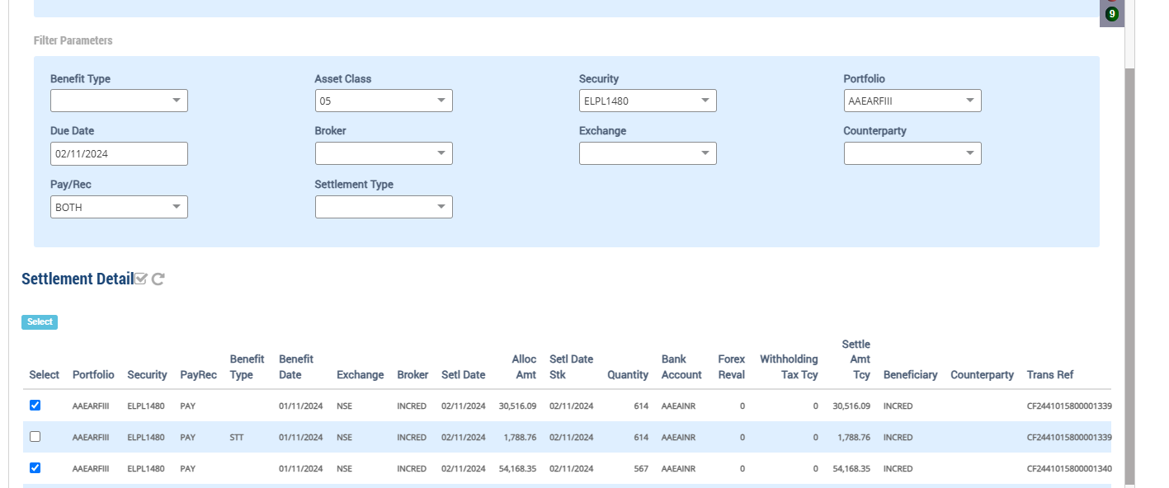

Accounting Enquiry
Portfolio | Portfolio Class | Entry Date | Trans Date | Ledger ID | Trans ID | Module Ref | Account Type | Control AC | Control AC Name | Gl Entry Code | Gl Account | Gl Account Name | Currency | Credit/Debit | Amount Tcy | Amount Pcy | Exch Rate | Asset Class | Asset Group | Security | Security Type | Trans Code | Broker | Counterparty | Narration | Is Reversed | Is Sysgen | Portfolio Currency | Trans Ref
AAEARFIII |  | 02-Nov-2024 | 02-Nov-2024 | PR244101580005088104 | PR2441015800050881 | PAYREC_SETTLE | AST | 110100 | Current Bank Account | CURRENTBACCOUNT | 110100-AAEAINR-INR | Current Bank Account | INR | Cr | 54,168.35 | 3,423.98 | 0.06321 | 05 |  | ELPL1480 | INV | TSTBRP | INCRED |  | Broker Purchase Settlement of 567 quantity of ELPL1480 Everest Fleet P Ltd NCD 14.80 22Feb26 | N | N | USD | CF2441015800001342
AAEARFIII |  | 02-Nov-2024 | 02-Nov-2024 | PR244101580005088103 | PR2441015800050881 | PAYREC_SETTLE | LIA | 210100 | CONTRACT FOR PURCHASE OF INVESTMENT | BROKERPAY | 210100-05-INR | CONTRACT FOR PURCHASE OF INVESTMENT | INR | Dr | -54,168.35 | -3,423.98 | 0.06321 | 05 |  | ELPL1480 | INV | TSTBRP | INCRED |  | Broker Purchase Settlement of 567 quantity of ELPL1480 Everest Fleet P Ltd NCD 14.80 22Feb26 | N | N | USD | CF2441015800001342
AAEARFIII |  | 02-Nov-2024 | 02-Nov-2024 | PR244101580005088002 | PR2441015800050880 | PAYREC_SETTLE | AST | 110100 | Current Bank Account | CURRENTBACCOUNT | 110100-AAEAINR-INR | Current Bank Account | INR | Cr | 30,516.09 | 1,928.92 | 0.06321 | 05 |  | ELPL1480 | INV | TSTBRP | INCRED |  | Broker Purchase Settlement of 614 quantity of ELPL1480 Everest Fleet P Ltd NCD 14.80 22Feb26 | N | N | USD | CF2441015800001341
AAEARFIII |  | 02-Nov-2024 | 02-Nov-2024 | PR244101580005088001 | PR2441015800050880 | PAYREC_SETTLE | LIA | 210100 | CONTRACT FOR PURCHASE OF INVESTMENT | BROKERPAY | 210100-05-INR | CONTRACT FOR PURCHASE OF INVESTMENT | INR | Dr | -30,516.09 | -1,928.92 | 0.06321 | 05 |  | ELPL1480 | INV | TSTBRP | INCRED |  | Broker Purchase Settlement of 614 quantity of ELPL1480 Everest Fleet P Ltd NCD 14.80 22Feb26 | N | N | USD | CF2441015800001341

Change Forex Rate after Freeze NAV
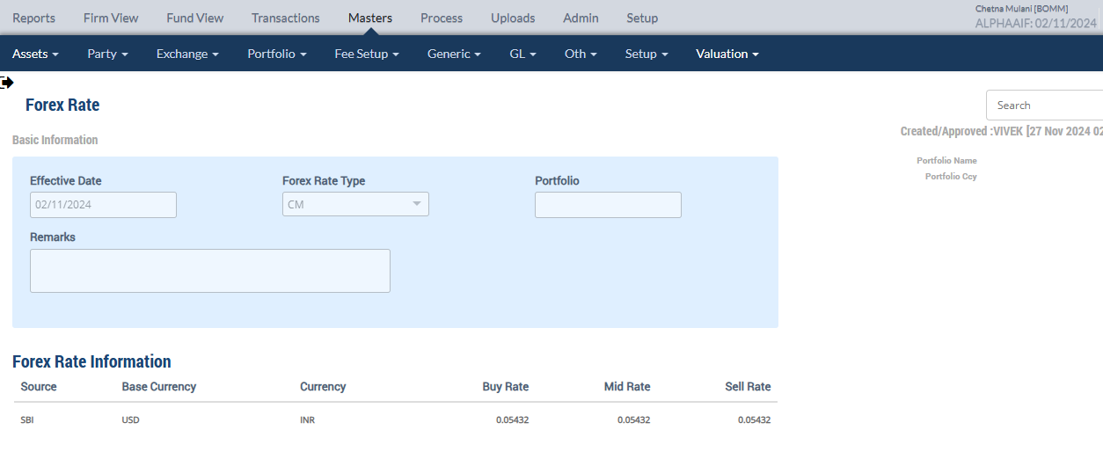

Market Price Upload

Holding
Symbol | Security | Security Name | Security Listed | TCY | ISIN Code | Maturity Date | Quantity | Average Price | Strike Price | Book Cost in TCY | Book Cost in PCY | Market Price | Market Value in TCY | Market Value in PCY | % of NAV | Interest Accruals in TCY | Interest Accruals in PCY | Accrued AOD TCY | Accrued AOD PCY | Amortised Cost PCY | Amortised Cost Per Unit | Exchange | App/Dep in TCY | App/Dep in PCY | Unrel GL TCY | Unrel GL PCY | Unrel GL FX PCY | Variable Margin TCY | Variable Margin PCY | Market Price Date
 | ELPL1480 | Everest Fleet P Ltd NCD 14.80 22Feb26 |  | INR |  | 22-Feb-2026 | 1,379.0000 | 96.8730 | 0.000000 | 133,587.90 | 8,444.09 | 109.6600 | 151,221.14 | 8,214.33 | 0.0024 | 0.00 | 0.00 | 0.00 | 0.00 | 8,444.09 | 0.00 | 0.054320 | 17,633.24 | (229.76) | 17,633.24 | 957.84 | (1,187.60) | 0.00 | 0.00 | 02-Nov-2024
 |  |  |  |  |  |  |  |  |  |  |  |  |  |  |  |  |  |  |  |  |  |  | 17,633.24 | -229.76 | 17,633.24 | 957.84 | -1,187.60
 |  |  |  |  |  |  |  |  |  |  |  |  |  |  |  |  |  |  |  |  |  |  |  |  | 19,306.00 | 1,063.57
Accounting Enquiry
Portfolio | Portfolio Class | Entry Date | Trans Date | Ledger ID | Trans ID | Module Ref | Account Type | Control AC | Control AC Name | Gl Entry Code | Gl Account | Gl Account Name | Currency | Credit/Debit | Amount Tcy | Amount Pcy | Exch Rate | Asset Class | Asset Group | Security | Security Type | Trans Code | Broker | Counterparty | Narration | Is Reversed | Is Sysgen | Portfolio Currency | Trans Ref
AAEARFIII |  | 02-Nov-2024 | 02-Nov-2024 | UG244101580014620404 | UG2441015800146204 | UNREAL_GAINLOSS | INC | 510000 | Unrealised Gain/Loss On INVESTMENT | UNREALGLINVEST | 510000-05-INR | Unrealised Gain/Loss On INVESTMENT | INR | Cr | 19,306.00 | 1,063.58 | 0.05432 | 05 |  | ELPL1480 | INV | UPRFLS |  |  | Unrealised Gain/Loss on Security ELPL1480 on the Price change - Strike Price 0 Everest Fleet P Ltd NCD 14.80 22Feb26 | N | Y | USD | UG2441015800146204
AAEARFIII |  | 02-Nov-2024 | 02-Nov-2024 | UG244101580014620403 | UG2441015800146204 | UNREAL_GAINLOSS | INC | 510980 | Investment fx gain/loss | UNREALGLFOREX | 510980-05-INR | Investment fx gain/loss | INR | Cr | 00.00 | -1,187.61 | 0.05432 | 05 |  | ELPL1480 | INV | UPRFLS |  |  | Unrealised Gain/Loss on Security ELPL1480 on the FX change - Strike Price 0 Everest Fleet P Ltd NCD 14.80 22Feb26 | N | Y | USD | UG2441015800146204
AAEARFIII |  | 02-Nov-2024 | 02-Nov-2024 | UG244101580014620402 | UG2441015800146204 | UNREAL_GAINLOSS | AST | 010122 | F/X GAIN LOSS ON INVESTMENT | INVFXAPPDEP | 010122-05-INR | F/X GAIN LOSS ON INVESTMENT | INR | Cr | 00.00 | 1,187.61 | 0.05432 | 05 |  | ELPL1480 | INV | UPRFLS |  |  | Unrealised Gain/Loss on Security ELPL1480 on the FX change - Strike Price 0 Everest Fleet P Ltd NCD 14.80 22Feb26 | N | Y | USD | UG2441015800146204
AAEARFIII |  | 02-Nov-2024 | 02-Nov-2024 | UG244101580014620401 | UG2441015800146204 | UNREAL_GAINLOSS | AST | 010110 | Investments - App/(Dep) | INVESTAPPDEP | 010110-05-INR | Investments - App/(Dep) | INR | Dr | -19,306.00 | -1,063.58 | 0.05432 | 05 |  | ELPL1480 | INV | UPRFLS |  |  | Unrealised Gain/Loss on Security ELPL1480 on the Price change - Strike Price 0 Everest Fleet P Ltd NCD 14.80 22Feb26 | N | Y | USD | UG2441015800146204

(NCD - SELL)
PORTFOLIO | SECURITY | ISIN_CODE | BROKER | QUANTITY | PRICE | EXCHANGE | SEGMENT | TRANS_CODE | TRADE_DATE | SETL_DATE | Deal SliP No | DELIVERY_TYPE | BANK_ACC_CODE | BANK_TXN_MODE | BANK_ACC_AMT_ACY | YIELD | COUNTERPARTY | IS_COMPUTE_FEE | CUM_EX_BEN_TYPE | GROSS_INT_TCY | EX_INT_TCY | NET_AMOUNT_TCY | Brokerage | STT Amount | CCIl Charges | REC_REMARKS | Stamp duty
AAEARFIII | ELPL1480 | ELPL1480 | INCRED | 788.00 | 45.88 | NSE | CM | SELL | 3-Nov-24 | 3-Nov-24 |  | CH | AAEAINR | TRF | 36,153.44 |  |  | N | NA | 0.00 | 0.00 | 36,153.44 |  |  | 0.00 | DealUpload | 0.00

Accounting Enquiry
Portfolio | Portfolio Class | Entry Date | Trans Date | Ledger ID | Trans ID | Module Ref | Account Type | Control AC | Control AC Name | Gl Entry Code | Gl Account | Gl Account Name | Currency | Credit/Debit | Amount Tcy | Amount Pcy | Exch Rate | Asset Class | Asset Group | Security | Security Type | Trans Code | Broker | Counterparty | Narration | Is Reversed | Is Sysgen | Portfolio Currency | Trans Ref
AAEARFIII |  | 03-Nov-2024 | 03-Nov-2024 | CF244101580000134909 | CF2441015800001349 | ORDCONFIRM | INC | 999999 | Currency round off | CCYROUNDDIFF | 999999-USD | Currency round off | USD | Dr | -00.01 | -00.01 | 1 | 05 |  | ELPL1480 | INV | SELL | INCRED |  | Currency Rounding difference Adjustments Everest Fleet P Ltd NCD 14.80 22Feb26 | N | N | USD | CF2441015800001348
AAEARFIII |  | 03-Nov-2024 | 03-Nov-2024 | CF244101580000134908 | CF2441015800001349 | ORDCONFIRM | INC | 510980 | Investment fx gain/loss | UNREALGLFOREX | 510980-05-INR | Investment fx gain/loss | INR | Cr | 00.00 | 678.63 | 0.05432 | 05 |  | ELPL1480 | INV | SELL | INCRED |  | Unrel Forex reversal on Sale of 788 quantity of ELPL1480 Everest Fleet P Ltd NCD 14.80 22Feb26 | N | N | USD | CF2441015800001348
AAEARFIII |  | 03-Nov-2024 | 03-Nov-2024 | CF244101580000134907 | CF2441015800001349 | ORDCONFIRM | AST | 010122 | F/X GAIN LOSS ON INVESTMENT | INVFXAPPDEP | 010122-05-INR | F/X GAIN LOSS ON INVESTMENT | INR | Cr | 00.00 | -678.63 | 0.05432 | 05 |  | ELPL1480 | INV | SELL | INCRED |  | Unrel Forex reversal on Sale of 788 quantity of ELPL1480 Everest Fleet P Ltd NCD 14.80 22Feb26 | N | N | USD | CF2441015800001348
AAEARFIII |  | 03-Nov-2024 | 03-Nov-2024 | CF244101580000134906 | CF2441015800001349 | ORDCONFIRM | AST | 010110 | Investments - App/(Dep) | INVESTAPPDEP | 010110-05-INR | Investments - App/(Dep) | INR | Cr | 10,076.14 | 547.34 | 0.05432 | 05 | 547.34 | ELPL1480 | INV | SELL | INCRED |  | Unrel Appr/depr Reversal for sale transaction Everest Fleet P Ltd NCD 14.80 22Feb26 | N | N | USD | CF2441015800001348
AAEARFIII |  | 03-Nov-2024 | 03-Nov-2024 | CF244101580000134905 | CF2441015800001349 | ORDCONFIRM | INC | 510000 | Unrealised Gain/Loss On INVESTMENT | UNREALGLINVEST | 510000-05-INR | Unrealised Gain/Loss On INVESTMENT | INR | Dr | -10,076.14 | -547.34 | 0.05432 | 05 | -547.34 | ELPL1480 | INV | SELL | INCRED |  | Unrel Appr/depr Reversal for sale transaction Everest Fleet P Ltd NCD 14.80 22Feb26 | N | N | USD | CF2441015800001348
AAEARFIII |  | 03-Nov-2024 | 03-Nov-2024 | CF244101580000134904 | CF2441015800001349 | ORDCONFIRM | INC | 611001 | Gain/(Loss) On Foreign Exchange | REALGLFOREX | 611001-INR-INR | Gain/(Loss) On Foreign Exchange | INR | Cr | 00.00 | -678.62 | 0.05432 | 05 |  | ELPL1480 | INV | SELL | INCRED |  | Gain/Loss Forex on Sale of 788 quantity of ELPL1480 Everest Fleet P Ltd NCD 14.80 22Feb26 | N | N | USD | CF2441015800001348
AAEARFIII |  | 03-Nov-2024 | 03-Nov-2024 | CF244101580000134903 | CF2441015800001349 | ORDCONFIRM | INC | 810010 | Loss on Sale of Investments - Market | MARKETLOSS | 810010-05-INR | Loss on Sale of Investments - Market | INR | Dr | -40,182.50 | -2,182.71 | 0.05432 | 05 | -2,182.71 | ELPL1480 | INV | SELL | INCRED |  | Market Loss on Sale of 788 quantity of ELPL1480 Everest Fleet P Ltd NCD 14.80 22Feb26 | N | N | USD | CF2441015800001348
AAEARFIII |  | 03-Nov-2024 | 03-Nov-2024 | CF244101580000134902 | CF2441015800001349 | ORDCONFIRM | AST | 110100 | Current Bank Account | CURRENTBACCOUNT | 110100-AAEAINR-INR | Current Bank Account | INR | Dr | -36,153.44 | -1,963.85 | 0.05432 | 05 | -1,963.85 | ELPL1480 | INV | SELL | INCRED |  | Sale Trade Settlement of 788 quantity of ELPL1480 Everest Fleet P Ltd NCD 14.80 22Feb26 | N | N | USD | CF2441015800001348
AAEARFIII |  | 03-Nov-2024 | 03-Nov-2024 | CF244101580000134901 | CF2441015800001349 | ORDCONFIRM | AST | 010101 | Investments | INVESTMENT | 010101-05-INR | Investments | INR | Cr | 76,335.94 | 4,825.19 | 0.05432 | 05 | 4,146.57 | ELPL1480 | INV | SELL | INCRED |  | Cost of Sale on 788 quantity of ELPL1480 Everest Fleet P Ltd NCD 14.80 22Feb26 | N | N | USD | CF2441015800001348

Symbol | Security | Security Name | Security Listed | TCY | ISIN Code | Maturity Date | Quantity | Average Price | Strike Price | Book Cost in TCY | Book Cost in PCY | Market Price | Market Value in TCY | Market Value in PCY | % of NAV | Interest Accruals in TCY | Interest Accruals in PCY | Accrued AOD TCY | Accrued AOD PCY | Amortised Cost PCY | Amortised Cost Per Unit | Exchange | App/Dep in TCY | App/Dep in PCY | Unrel GL TCY | Unrel GL PCY | Unrel GL FX PCY | Variable Margin TCY | Variable Margin PCY | Market Price Date
 | ELPL1480 | Everest Fleet P Ltd NCD 14.80 22Feb26 |  | INR |  | 22-Feb-2026 | 591.0000 | 96.8730 | 0.000000 | 57,251.96 | 3,618.90 | 109.6600 | 64,809.06 | 3,520.43 | 0.0012 | 0.00 | 0.00 | 0.00 | 0.00 | 3,618.90 | 0.00 |  | 7,557.10 | (98.47) | 7,557.10 | 410.50 | (508.97) | 0.00 | 0.00 | 02-Nov-2024

 |  |  |  |  |  |  |  |  |  |  |  |  |  |  |  |  |  |  |  |  |  |  | 7,557.10 | -98.47 | 7,557.10 | 410.50 | -508.97
 |  |  |  |  |  |  | 788.0000 | 96.873028765 |  | 76,335.92 |  |  |  |  |  |  |  |  |  |  |  |  | 10,076.14
 |  |  |  |  |  |  |  |  |  |  |  |  |  |  |  |  |  |  |  |  |  |  |  |  |  |  | -678.63

Portfolio | Portfolio Name | Sector Name | Industry Name | Trans Date | Settlement Date | Transaction ID | Transaction Type | Security | Security Name | Strike Price | Asset Class | Asset Name |  | Exchange |  | Broker |  | Broker Name |  | CounterParty | CounterParty Name | Custodian Name | Quantity |  | Rate |  | Gross Value |  | Yield | Brokerage | Brokerage % | Stt Amount | Clearing Fees | Others Fees | Net Amount TCY | Net Amount PCY | Acquisition Cost TCY | Acquisition Cost PCY | Gain Loss TCY | Gain Loss PCY | Gross Interest TCY | Gross Interest PCY
Asset Class:05 - NCD - Non Convertible Deb
AAEARFIII | Alpha Alternatives Equity Absolute Return Fund | IN070101 | Civil Construction | 03-Nov-2024 | 03-Nov-2024 | CF2441015800001349 | SELL | ELPL1480 | Everest Fleet P Ltd NCD 14.80 22Feb26 | 0.00 | 05 |  | NCD - Non Convertible Deb |  | NSE |  | INCRED |  | INCRED CAPITAL WEALTH PORTFOLIO MANAGERS PVT. LTD |  |  |  |  | 788.00 |  | 45.880000 |  | 1,963.85 | 0.0000% | 0.00 | 0.000000 | 0.00 | 0.00 | 0.00 | 36,153.44 | 1,963.85 | 76,335.94 | 4,825.19 | (40,182.50) | (2,182.71) | 0.00 | 0.00

 |  |  |  |  |  |  |  |  |  |  |  |  |  |  |  |  |  |  |  |  |  |  |  |  |  |  |  |  |  |  |  |  |  |  | 36153.44 | 1,963.85 | 76335.924 |  | -40,182.5 | -2182.7134

Manual FIFO
NCD BUY
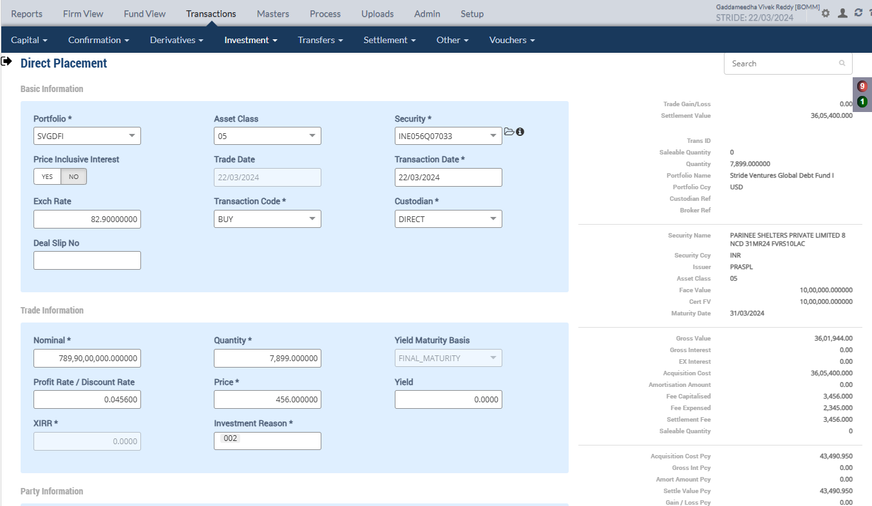
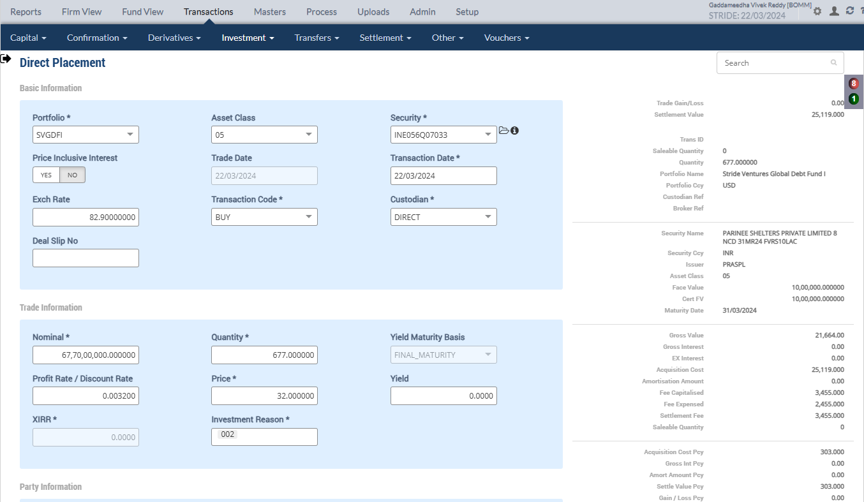

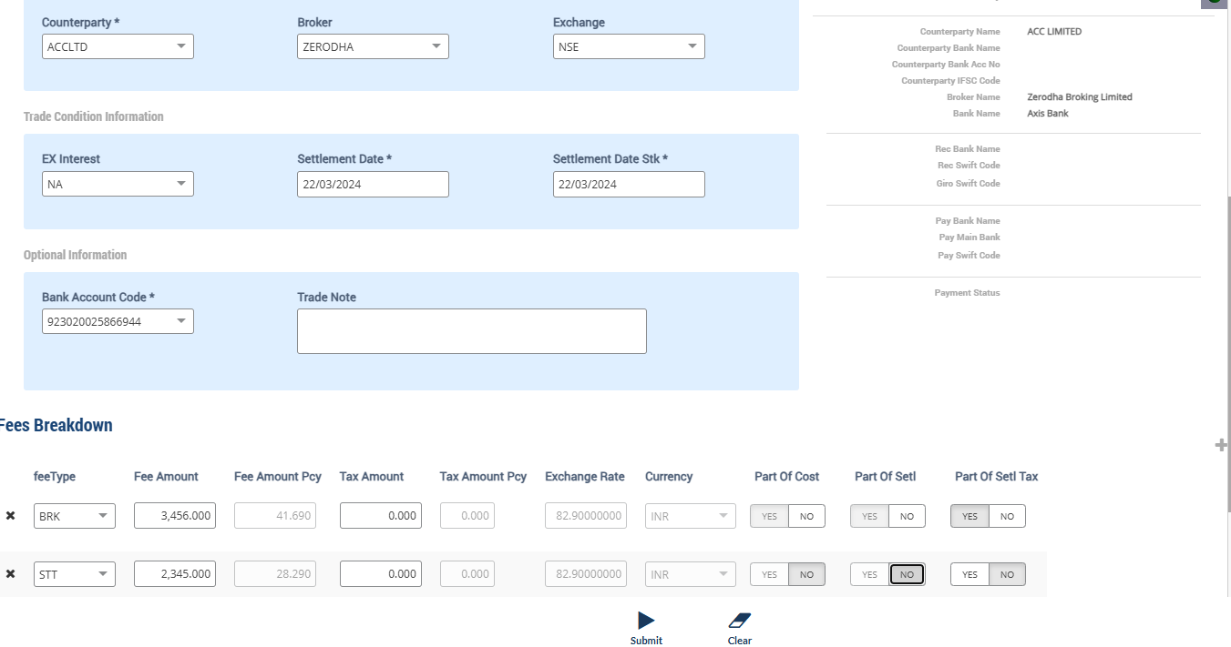
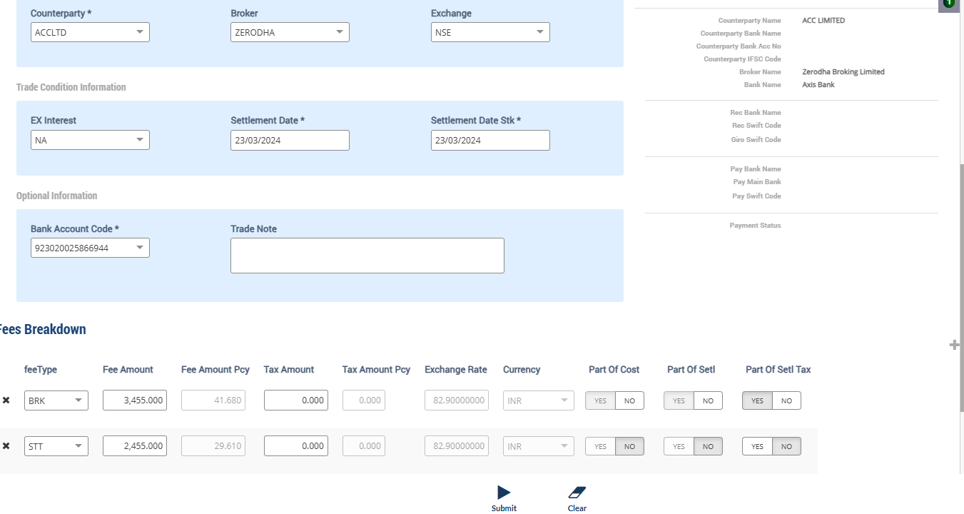

Accounting Enquiry
Portfolio | Portfolio Class | Entry Date | Trans Date | Ledger ID | Trans ID | Module Ref | Account Type | Control AC | Control AC Name | Gl Entry Code | Gl Account | Gl Account Name | Currency | Credit/Debit | Amount Tcy | Amount Pcy | Exch Rate | Asset Class | Asset Group | Security | Security Type | Trans Code | Broker | Counterparty | Narration | Is Reversed | Is Sysgen | Portfolio Currency | Trans Ref
SVGDFI |  | 22-Mar-2024 | 22-Mar-2024 | CF244251637000000504 | CF2442516370000005 | ORDCONFIRM | LIA | 212024 | STT Payable | STTAMOUNTPAY | 212024-INR | STT Payable | INR | Cr | 2,345.00 | 28.29 | 82.9 | 05 |  | INE056Q07033 | INV | BUY | ZERODHA | ACCLTD | STT Charges Payable on Purchase of 7899 quantity of INE056Q07033 PARINEE SHELTERS PRIVATE LIMITED 8 NCD 31MR24 FVRS10LAC | N | N | USD | PL2442516370000005
SVGDFI |  | 22-Mar-2024 | 22-Mar-2024 | CF244251637000000503 | CF2442516370000005 | ORDCONFIRM | EXP | 810324 | STT Fee | STTAMOUNTEXP | 810324-INR | STT Fee | INR | Dr | -2,345.00 | -28.29 | 82.9 | 05 |  | INE056Q07033 | INV | BUY | ZERODHA | ACCLTD | STT Charges Expense on Purchase of 7899 quantity of INE056Q07033 PARINEE SHELTERS PRIVATE LIMITED 8 NCD 31MR24 FVRS10LAC | N | N | USD | PL2442516370000005
SVGDFI |  | 22-Mar-2024 | 22-Mar-2024 | CF244251637000000502 | CF2442516370000005 | ORDCONFIRM | AST | 110100 | Current Bank Account | CURRENTBACCOUNT | 110100-923020025866944-INR | Current Bank Account | INR | Cr | 3,605,400.00 | 43,490.95 | 82.9 | 05 |  | INE056Q07033 | INV | BUY | ZERODHA | ACCLTD | Purchase Trade settlement 7899 quantity of INE056Q07033 PARINEE SHELTERS PRIVATE LIMITED 8 NCD 31MR24 FVRS10LAC | N | N | USD | PL2442516370000005
SVGDFI |  | 22-Mar-2024 | 22-Mar-2024 | CF244251637000000501 | CF2442516370000005 | ORDCONFIRM | AST | 010101 | Investments | INVESTMENT | 010101-05-INR | Investments | INR | Dr | -3,605,400.00 | -43,490.95 | 82.9 | 05 |  | INE056Q07033 | INV | BUY | ZERODHA | ACCLTD | Purchase of 7899 quantity of INE056Q07033 PARINEE SHELTERS PRIVATE LIMITED 8 NCD 31MR24 FVRS10LAC | N | N | USD | PL2442516370000005
SVGDFI |  | 22-Mar-2024 | 22-Mar-2024 | CF244251637000000404 | CF2442516370000004 | ORDCONFIRM | LIA | 212024 | STT Payable | STTAMOUNTPAY | 212024-INR | STT Payable | INR | Cr | 2,455.00 | 29.61 | 82.9 | 05 |  | INE056Q07033 | INV | BUY | ZERODHA | ACCLTD | STT Charges Payable on Purchase of 677 quantity of INE056Q07033 PARINEE SHELTERS PRIVATE LIMITED 8 NCD 31MR24 FVRS10LAC | N | N | USD | PL2442516370000004
SVGDFI |  | 22-Mar-2024 | 22-Mar-2024 | CF244251637000000403 | CF2442516370000004 | ORDCONFIRM | EXP | 810324 | STT Fee | STTAMOUNTEXP | 810324-INR | STT Fee | INR | Dr | -2,455.00 | -29.61 | 82.9 | 05 |  | INE056Q07033 | INV | BUY | ZERODHA | ACCLTD | STT Charges Expense on Purchase of 677 quantity of INE056Q07033 PARINEE SHELTERS PRIVATE LIMITED 8 NCD 31MR24 FVRS10LAC | N | N | USD | PL2442516370000004
SVGDFI |  | 22-Mar-2024 | 22-Mar-2024 | CF244251637000000402 | CF2442516370000004 | ORDCONFIRM | LIA | 210600 | Due To Financial Institutions | COUNTERPARTYPAY | 210600-INR | Due To Financial Institutions | INR | Cr | 25,119.00 | 303.00 | 82.9 | 05 |  | INE056Q07033 | INV | BUY | ZERODHA | ACCLTD | Counterparty Payable on Purchase of 677 quantity of INE056Q07033 PARINEE SHELTERS PRIVATE LIMITED 8 NCD 31MR24 FVRS10LAC | N | N | USD | PL2442516370000004
SVGDFI |  | 22-Mar-2024 | 22-Mar-2024 | CF244251637000000401 | CF2442516370000004 | ORDCONFIRM | AST | 010101 | Investments | INVESTMENT | 010101-05-INR | Investments | INR | Dr | -25,119.00 | -303.00 | 82.9 | 05 |  | INE056Q07033 | INV | BUY | ZERODHA | ACCLTD | Purchase of 677 quantity of INE056Q07033 PARINEE SHELTERS PRIVATE LIMITED 8 NCD 31MR24 FVRS10LAC | N | N | USD | PL2442516370000004

Purchase Sale
Portfolio | Portfolio Name | Sector Name | Industry Name | Trans Date | Settlement Date | Transaction ID | Transaction Type | Security | Security Name | Strike Price | Asset Class | Asset Name | Exchange | Broker | Broker Name | CounterParty | CounterParty Name | Custodian Name | Quantity | Rate | Gross Value | Yield | Brokerage | Brokerage % | Stt Amount | Clearing Fees | Others Fees | Net Amount TCY | Net Amount PCY | Acquisition Cost TCY | Acquisition Cost PCY | Gain Loss TCY | Gain Loss PCY | Gross Interest TCY | Gross Interest PCY
Asset Class:05 - NCD - Non Convertible Deb
SVGDFI | Stride Ventures Global Debt Fund I | V | 0252 | 22-Mar-2024 | 22-Mar-2024 | CF2442516370000005 | BUY | INE056Q07033 | PARINEE SHELTERS PRIVATE LIMITED 8 NCD 31MR24 FVRS10LAC | 0.00 | 05 | NCD - Non Convertible Deb | NSE | ZERODHA | Zerodha Broking Limited |  |  |  | 7,899.00 | 456.000000 | 43,449.26 | 0.0000% | 41.69 | 0.095951 | 28.29 | 0.00 | 0.00 | 3,605,400.00 | 43,490.95 | 3,605,400.00 | 43,490.95 | 0.00 | 0.00 | 0.00 | 0.00
SVGDFI | Stride Ventures Global Debt Fund I | V | 0252 | 22-Mar-2024 | 23-Mar-2024 | CF2442516370000004 | BUY | INE056Q07033 | PARINEE SHELTERS PRIVATE LIMITED 8 NCD 31MR24 FVRS10LAC | 0.00 | 05 | NCD - Non Convertible Deb | NSE | ZERODHA | Zerodha Broking Limited |  |  |  | 677.00 | 32.000000 | 261.33 | 0.0000% | 41.68 | 15.949183 | 29.61 | 0.00 | 0.00 | 25,119.00 | 303.00 | 25,119.00 | 303.00 | 0.00 | 0.00 | 0.00 | 0.00

Holding
Symbol | Security | Security Name | Security Listed | TCY | ISIN Code | Maturity Date | Quantity | Average Price | Strike Price | Book Cost in TCY | Book Cost in PCY | Market Price | Market Value in TCY | Market Value in PCY | % of NAV | Interest Accruals in TCY | Interest Accruals in PCY | Accrued AOD TCY | Accrued AOD PCY | Amortised Cost PCY | Amortised Cost Per Unit | Exchange | App/Dep in TCY | App/Dep in PCY | Unrel GL TCY | Unrel GL PCY | Unrel GL FX PCY | Variable Margin TCY | Variable Margin PCY | Market Price Date
 | INE056Q07033 | PARINEE SHELTERS PRIVATE LIMITED 8 NCD.. |  | INR | INE056Q07033 | 31-Mar-2024 | 8,576.0000 | 423.3347 | 0.000000 | 3,630,519.00 | 43,793.95 | 37.1033 | 318,198.74 | 3,838.34 | 0.1477 | 0.00 | 0.00 | 0.00 | 0.00 | 43,793.95 | 0.00 |  | (3,312,320.26) | (39,955.61) | 0.00 | 0.00 | 0.00 | 0.00 | 0.00

 |  |  |  |  |  |  |  | 423.33477146 |  | 3,630,519.00 | 43793.956574

Market Price Upload on 22 March

Holding
Symbol | Security | Security Name | Security Listed | TCY | ISIN Code | Maturity Date | Quantity | Average Price | Strike Price | Book Cost in TCY | Book Cost in PCY | Market Price | Market Value in TCY | Market Value in PCY | % of NAV | Interest Accruals in TCY | Interest Accruals in PCY | Accrued AOD TCY | Accrued AOD PCY | Amortised Cost PCY | Amortised Cost Per Unit | Exchange | App/Dep in TCY | App/Dep in PCY | Unrel GL TCY | Unrel GL PCY | Unrel GL FX PCY | Variable Margin TCY | Variable Margin PCY | Market Price Date
 | INE056Q07033 | PARINEE SHELTERS PRIVATE LIMITED 8 NCD.. |  | INR | INE056Q07033 | 31-Mar-2024 | 8,576.0000 | 423.3347 | 0.000000 | 3,630,519.00 | 43,793.95 | 567.8900 | 4,870,224.64 | 58,748.19 | 2.2479 | 0.00 | 0.00 | 0.00 | 0.00 | 43,793.95 | 0.00 | 82.900000 | 1,239,705.64 | 14,954.24 | 1,239,705.64 | 14,954.23 | 0.00 | 0.00 | 0.00 | 22-Mar-2024

 |  |  |  |  |  |  |  |  |  |  |  |  | 4,870,224.64 | 58,748.19 |  |  |  |  |  |  |  |  | 1,239,705.64 | 14,954.24 | 1,239,705.64 | 14,954.23

Accounting Enquiry
Portfolio | Portfolio Class | Entry Date | Trans Date | Ledger ID | Trans ID | Module Ref | Account Type | Control AC | Control AC Name | Gl Entry Code | Gl Account | Gl Account Name | Currency | Credit/Debit | Amount Tcy | Amount Pcy | Exch Rate | Asset Class | Asset Group | Security | Security Type | Trans Code | Broker | Counterparty | Narration | Is Reversed | Is Sysgen | Portfolio Currency | Trans Ref
SVGDFI |  | 22-Mar-2024 | 22-Mar-2024 | IC244251637000002302 | IC2442516370000023 | FOREX_REVAL | INC | 620000 | Realised gain/loss on Forex | FXPROFITLOSS | 620000-INR | Realised gain/loss on Forex | INR | Cr | 00.00 | -00.01 | 82.9 |  |  |  | IRS | CCYVAL |  |  | Forex Revaluation - Realised - Bank Acc Code : 923020025866944 | N | Y | USD | IC2442516370000023
SVGDFI |  | 22-Mar-2024 | 22-Mar-2024 | IC244251637000002301 | IC2442516370000023 | FOREX_REVAL | AST | 110100 | Current Bank Account | CURRENTBACCOUNT | 110100-923020025866944-INR | Current Bank Account | INR | Cr | 00.00 | 00.01 | 82.9 |  |  |  | IRS | CCYVAL |  |  | Forex Revaluation - GL Account : 110100-923020025866944-INR | N | Y | USD | IC2442516370000023
SVGDFI |  | 22-Mar-2024 | 22-Mar-2024 | UG244251637000000702 | UG2442516370000007 | UNREAL_GAINLOSS | INC | 510000 | Unrealised Gain/Loss On INVESTMENT | UNREALGLINVEST | 510000-05-INR | Unrealised Gain/Loss On INVESTMENT | INR | Cr | 1,239,705.64 | 14,954.23 | 82.9 | 05 | 14,954.2297 | INE056Q07033 | INV | UPRFLS |  |  | Unrealised Gain/Loss on Security INE056Q07033 on the Price change - Strike Price 0 PARINEE SHELTERS PRIVATE LIMITED 8 NCD 31MR24 FVRS10LAC | N | Y | USD | UG2442516370000007
SVGDFI |  | 22-Mar-2024 | 22-Mar-2024 | UG244251637000000701 | UG2442516370000007 | UNREAL_GAINLOSS | AST | 010110 | Investments - App/(Dep) | INVESTAPPDEP | 010110-05-INR | Investments - App/(Dep) | INR | Dr | -1,239,705.64 | -14,954.23 | 82.9 | 05 | 0.00 | INE056Q07033 | INV | UPRFLS |  |  | Unrealised Gain/Loss on Security INE056Q07033 on the Price change - Strike Price 0 PARINEE SHELTERS PRIVATE LIMITED 8 NCD 31MR24 FVRS10LAC | N | Y | USD | UG2442516370000007

Change Forex Rate after Freeze NAV
Settle T+1 trades after Freeze NAV

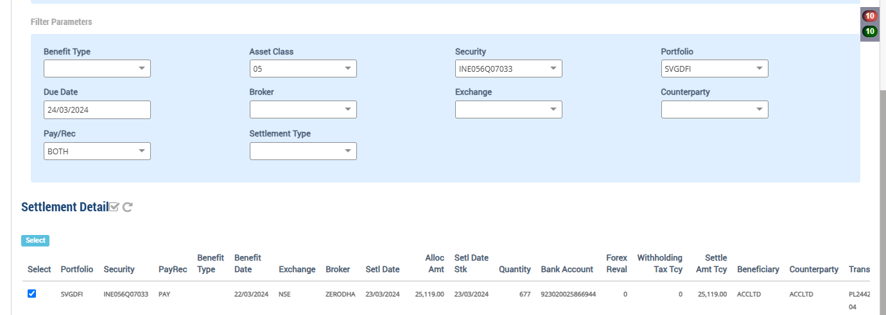

Market Price Upload on 24 March after Freeze NAV

Holding on 23-March
Symbol | Security | Security Name | Security Listed | TCY | ISIN Code | Maturity Date | Quantity | Average Price | Strike Price | Book Cost in TCY | Book Cost in PCY | Market Price | Market Value in TCY | Market Value in PCY | % of NAV | Interest Accruals in TCY | Interest Accruals in PCY | Accrued AOD TCY | Accrued AOD PCY | Amortised Cost PCY | Amortised Cost Per Unit | Exchange | App/Dep in TCY | App/Dep in PCY | Unrel GL TCY | Unrel GL PCY | Unrel GL FX PCY | Variable Margin TCY | Variable Margin PCY | Market Price Date
 | INE056Q07033 | PARINEE SHELTERS PRIVATE LIMITED 8 NCD.. |  | INR | INE056Q07033 | 31-Mar-2024 | 10,040.0000 | 403.2710 | 0.000000 | 4,048,841.50 | 48,840.06 | 567.8900 | 5,701,615.60 | 68,777.03 | 2.6266 | 0.00 | 0.00 | 0.00 | 0.00 | 48,840.06 | 0.00 | 82.900000 | 1,652,774.10 | 19,936.97 | 1,652,774.10 | 19,936.96 | 0.00 | 0.00 | 0.00 | 22-Mar-2024

Holding on 24th March
Symbol | Security | Security Name | Security Listed | TCY | ISIN Code | Maturity Date | Quantity | Average Price | Strike Price | Book Cost in TCY | Book Cost in PCY | Market Price | Market Value in TCY | Market Value in PCY | % of NAV | Interest Accruals in TCY | Interest Accruals in PCY | Accrued AOD TCY | Accrued AOD PCY | Amortised Cost PCY | Amortised Cost Per Unit | Exchange | App/Dep in TCY | App/Dep in PCY | Unrel GL TCY | Unrel GL PCY | Unrel GL FX PCY | Variable Margin TCY | Variable Margin PCY | Market Price Date
 | INE056Q07033 | PARINEE SHELTERS PRIVATE LIMITED 8 NCD.. |  | INR | INE056Q07033 | 31-Mar-2024 | 10,040.0000 | 403.2710 | 0.000000 | 4,048,841.50 | 48,840.06 | 548.3900 | 5,505,835.60 | 65,859.28 | 2.5180 | 0.00 | 0.00 | 0.00 | 0.00 | 48,840.06 | 0.00 | 83.600000 | 1,456,994.10 | 17,019.22 | 1,456,994.10 | 17,428.15 | (408.94) | 0.00 | 0.00 | 24-Mar-2024

 |  |  |  |  |  |  |  |  |  |  |  |  | 5505835.6 | 65859.277512 |  |  |  |  |  |  |  |  | 1,456,994.1 | 17,019.22 | 1,456,994.1 | 17428.159091 | 408.93
 |  |  |  |  |  |  |  |  |  |  |  |  |  |  |  |  |  |  |  |  |  |  |  |  | 195,780.00 | 2,508.81
Accounting Enquiry

Portfolio | Portfolio Class | Entry Date | Trans Date | Ledger ID | Trans ID | Module Ref | Account Type | Control AC | Control AC Name | Gl Entry Code | Gl Account | Gl Account Name | Currency | Credit/Debit | Amount Tcy | Amount Pcy | Exch Rate | Asset Class | Asset Group | Security | Security Type | Trans Code | Broker | Counterparty | Narration | Is Reversed | Is Sysgen | Portfolio Currency | Trans Ref
SVGDFI |  | 24-Mar-2024 | 24-Mar-2024 | IC244251637000002902 | IC2442516370000029 | FOREX_REVAL | INC | 510005 | FX Unrealised Gain Loss | FXUGLPROFITLOSS | 510005-INR | FX Unrealised Gain Loss | INR | Cr | 00.00 | -02.53 | 83.6 |  |  |  | IRS | CCYVAL |  |  | Forex Revaluation - Unrealised Gain / loss | N | Y | USD | IC2442516370000029
SVGDFI |  | 24-Mar-2024 | 24-Mar-2024 | IC244251637000002901 | IC2442516370000029 | FOREX_REVAL | LIA | 210600 | Due To Financial Institutions | COUNTERPARTYPAY | 210600-INR | Due To Financial Institutions | INR | Cr | 00.00 | 02.53 | 83.6 |  |  |  | IRS | CCYVAL |  |  | Forex Revaluation - GL Account : 210600-INR | N | Y | USD | IC2442516370000029
SVGDFI |  | 24-Mar-2024 | 24-Mar-2024 | IC244251637000002802 | IC2442516370000028 | FOREX_REVAL | INC | 510005 | FX Unrealised Gain Loss | FXUGLPROFITLOSS | 510005-INR | FX Unrealised Gain Loss | INR | Cr | 00.00 | 40.36 | 83.6 |  |  |  | IRS | CCYVAL |  |  | Forex Revaluation - Unrealised Gain / loss | N | Y | USD | IC2442516370000028
SVGDFI |  | 24-Mar-2024 | 24-Mar-2024 | IC244251637000002801 | IC2442516370000028 | FOREX_REVAL | LIA | 210100 | CONTRACT FOR PURCHASE OF INVESTMENT | BROKERPAY | 210100-05-INR | CONTRACT FOR PURCHASE OF INVESTMENT | INR | Cr | 00.00 | -40.36 | 83.6 |  |  |  | IRS | CCYVAL |  |  | Forex Revaluation - GL Account : 210100-05-INR | N | Y | USD | IC2442516370000028
SVGDFI |  | 24-Mar-2024 | 24-Mar-2024 | IC244251637000002702 | IC2442516370000027 | FOREX_REVAL | INC | 510005 | FX Unrealised Gain Loss | FXUGLPROFITLOSS | 510005-INR | FX Unrealised Gain Loss | INR | Cr | 00.00 | 02.53 | 83.6 |  |  |  | IRS | CCYVAL |  |  | Forex Revaluation - Unrealised Gain / loss | N | Y | USD | IC2442516370000027
SVGDFI |  | 24-Mar-2024 | 24-Mar-2024 | IC244251637000002701 | IC2442516370000027 | FOREX_REVAL | LIA | 210600 | Due To Financial Institutions | COUNTERPARTYPAY | 210600-INR | Due To Financial Institutions | INR | Cr | 00.00 | -02.53 | 83.6 |  |  |  | IRS | CCYVAL |  |  | Forex Revaluation - GL Account : 210600-INR | N | Y | USD | IC2442516370000027
SVGDFI |  | 24-Mar-2024 | 24-Mar-2024 | IC244251637000002602 | IC2442516370000026 | FOREX_REVAL | INC | 510005 | FX Unrealised Gain Loss | FXUGLPROFITLOSS | 510005-INR | FX Unrealised Gain Loss | INR | Cr | 00.00 | 00.48 | 83.6 |  |  |  | IRS | CCYVAL |  |  | Forex Revaluation - Unrealised Gain / loss | N | Y | USD | IC2442516370000026
SVGDFI |  | 24-Mar-2024 | 24-Mar-2024 | IC244251637000002601 | IC2442516370000026 | FOREX_REVAL | LIA | 212024 | STT Payable | STTAMOUNTPAY | 212024-INR | STT Payable | INR | Cr | 00.00 | -00.48 | 83.6 |  |  |  | IRS | CCYVAL |  |  | Forex Revaluation - GL Account : 212024-INR | N | Y | USD | IC2442516370000026
SVGDFI |  | 24-Mar-2024 | 24-Mar-2024 | IC244251637000002502 | IC2442516370000025 | FOREX_REVAL | INC | 510005 | FX Unrealised Gain Loss | FXUGLPROFITLOSS | 510005-INR | FX Unrealised Gain Loss | INR | Cr | 00.00 | -07.77 | 83.6 |  |  |  | IRS | CCYVAL |  |  | Forex Revaluation - Unrealised Gain / loss | N | Y | USD | IC2442516370000025
SVGDFI |  | 24-Mar-2024 | 24-Mar-2024 | IC244251637000002501 | IC2442516370000025 | FOREX_REVAL | LIA | 212029 | TDS payable | TDSPAYABLE | 212029-INR | TDS payable | INR | Cr | 00.00 | 07.77 | 83.6 |  |  |  | IRS | CCYVAL |  |  | Forex Revaluation - GL Account : 212029-INR | N | Y | USD | IC2442516370000025
SVGDFI |  | 24-Mar-2024 | 24-Mar-2024 | IC244251637000002402 | IC2442516370000024 | FOREX_REVAL | INC | 620000 | Realised gain/loss on Forex | FXPROFITLOSS | 620000-INR | Realised gain/loss on Forex | INR | Cr | 00.00 | 342.16 | 83.6 |  |  |  | IRS | CCYVAL |  |  | Forex Revaluation - Realised - Bank Acc Code : 923020025866944 | N | Y | USD | IC2442516370000024
SVGDFI |  | 24-Mar-2024 | 24-Mar-2024 | IC244251637000002401 | IC2442516370000024 | FOREX_REVAL | AST | 110100 | Current Bank Account | CURRENTBACCOUNT | 110100-923020025866944-INR | Current Bank Account | INR | Cr | 00.00 | -342.16 | 83.6 |  |  |  | IRS | CCYVAL |  |  | Forex Revaluation - GL Account : 110100-923020025866944-INR | N | Y | USD | IC2442516370000024
SVGDFI |  | 24-Mar-2024 | 24-Mar-2024 | PR244251637000006003 | PR2442516370000060 | PAYREC_SETTLE | INC | 620000 | Realised gain/loss on Forex | FXPROFITLOSS | 620000-INR | Realised gain/loss on Forex | INR | Cr | 00.00 | 02.53 | 82.9 | 05 |  | INE056Q07033 | INV | TSTCPP | ZERODHA | ACCLTD | Forex Realised Gain / Loss - Trade Settlement PARINEE SHELTERS PRIVATE LIMITED 8 NCD 31MR24 FVRS10LAC | N | N | USD | CF2442516370000004
SVGDFI |  | 24-Mar-2024 | 24-Mar-2024 | PR244251637000006002 | PR2442516370000060 | PAYREC_SETTLE | AST | 110100 | Current Bank Account | CURRENTBACCOUNT | 110100-923020025866944-INR | Current Bank Account | INR | Cr | 25,119.00 | 300.47 | 83.6 | 05 | 300.47 | INE056Q07033 | INV | TSTCPP | ZERODHA | ACCLTD | Counterparty Purchase Settlement of 677 quantity of INE056Q07033 PARINEE SHELTERS PRIVATE LIMITED 8 NCD 31MR24 FVRS10LAC | N | N | USD | CF2442516370000004
SVGDFI |  | 24-Mar-2024 | 24-Mar-2024 | PR244251637000006001 | PR2442516370000060 | PAYREC_SETTLE | LIA | 210600 | Due To Financial Institutions | COUNTERPARTYPAY | 210600-INR | Due To Financial Institutions | INR | Dr | -25,119.00 | -303.00 | 82.9 | 05 | -303.00 | INE056Q07033 | INV | TSTCPP | ZERODHA | ACCLTD | Counterparty Purchase Settlement of 677 quantity of INE056Q07033 PARINEE SHELTERS PRIVATE LIMITED 8 NCD 31MR24 FVRS10LAC | N | N | USD | CF2442516370000004
SVGDFI |  | 24-Mar-2024 | 24-Mar-2024 | UG244251637000001703 | UG2442516370000017 | UNREAL_GAINLOSS | INC | 510980 | Investment fx gain/loss | UNREALGLFOREX | 510980-05-INR | Investment fx gain/loss | INR | Cr | 00.00 | -408.94 | 83.6 | 05 |  | INE056Q07033 | INV | UPRFLS |  |  | Unrealised Gain/Loss on Security INE056Q07033 on the FX change - Strike Price 0 PARINEE SHELTERS PRIVATE LIMITED 8 NCD 31MR24 FVRS10LAC | N | Y | USD | UG2442516370000017
SVGDFI |  | 24-Mar-2024 | 24-Mar-2024 | UG244251637000001702 | UG2442516370000017 | UNREAL_GAINLOSS | AST | 010122 | F/X GAIN LOSS ON INVESTMENT | INVFXAPPDEP | 010122-05-INR | F/X GAIN LOSS ON INVESTMENT | INR | Cr | 00.00 | 408.94 | 83.6 | 05 |  | INE056Q07033 | INV | UPRFLS |  |  | Unrealised Gain/Loss on Security INE056Q07033 on the FX change - Strike Price 0 PARINEE SHELTERS PRIVATE LIMITED 8 NCD 31MR24 FVRS10LAC | N | Y | USD | UG2442516370000017
SVGDFI |  | 24-Mar-2024 | 24-Mar-2024 | UG244251637000001701 | UG2442516370000017 | UNREAL_GAINLOSS | AST | 010110 | Investments - App/(Dep) | INVESTAPPDEP | 010110-05-INR | Investments - App/(Dep) | INR | Cr | 195,780.00 | 2,508.81 | 83.6 | 05 |  | INE056Q07033 | INV | UPRFLS |  |  | Unrealised Gain/Loss on Security INE056Q07033 on the Price change - Strike Price 0 PARINEE SHELTERS PRIVATE LIMITED 8 NCD 31MR24 FVRS10LAC | N | Y | USD | UG2442516370000017
SVGDFI |  | 24-Mar-2024 | 24-Mar-2024 | UG244251637000001704 | UG2442516370000017 | UNREAL_GAINLOSS | INC | 510000 | Unrealised Gain/Loss On INVESTMENT | UNREALGLINVEST | 510000-05-INR | Unrealised Gain/Loss On INVESTMENT | INR | Dr | -195,780.00 | -2,508.81 | 83.6 | 05 |  | INE056Q07033 | INV | UPRFLS |  |  | Unrealised Gain/Loss on Security INE056Q07033 on the Price change - Strike Price 0 PARINEE SHELTERS PRIVATE LIMITED 8 NCD 31MR24 FVRS10LAC | N | Y | USD | UG2442516370000017

 |  |  |  |  |  |  |  |  |  |  |  |  |  | APP/DEP | 195,780.00 | 2,508.81
NCD SELL

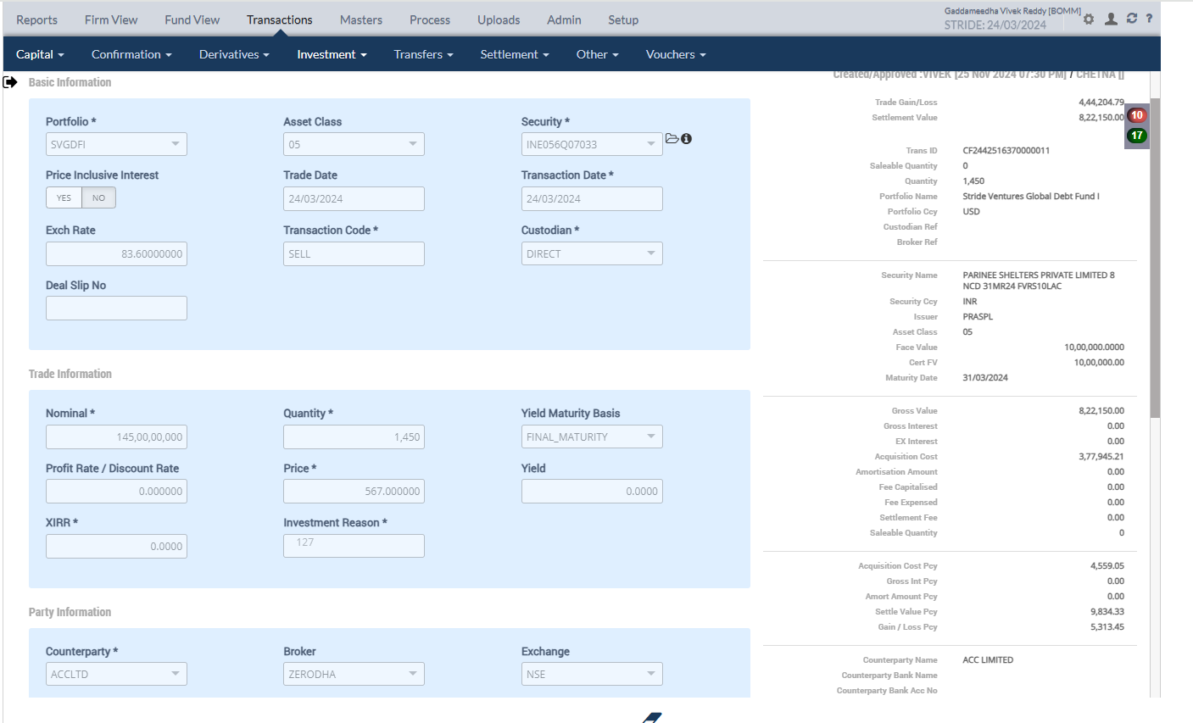

Accounting Enquiry
Portfolio | Portfolio Class | Entry Date | Trans Date | Ledger ID | Trans ID | Module Ref | Account Type | Control AC | Control AC Name | Gl Entry Code | Gl Account | Gl Account Name | Currency | Credit/Debit | Amount Tcy | Amount Pcy | Exch Rate | Asset Class | Asset Group | Security | Security Type | Trans Code | Broker | Counterparty | Narration | Is Reversed | Is Sysgen | Portfolio Currency | Trans Ref
SVGDFI |  | 24-Mar-2024 | 24-Mar-2024 | CF244251637000001108 | CF2442516370000011 | ORDCONFIRM | INC | 510980 | Investment fx gain/loss | UNREALGLFOREX | 510980-05-INR | Investment fx gain/loss | INR | Cr | 00.00 | 38.17 | 83.6 | 05 |  | INE056Q07033 | INV | SELL | ZERODHA | ACCLTD | Unrel Forex reversal on Sale of 1450 quantity of INE056Q07033 PARINEE SHELTERS PRIVATE LIMITED 8 NCD 31MR24 FVRS10LAC | N | N | USD | PL2442516370000007
SVGDFI |  | 24-Mar-2024 | 24-Mar-2024 | CF244251637000001107 | CF2442516370000011 | ORDCONFIRM | AST | 010122 | F/X GAIN LOSS ON INVESTMENT | INVFXAPPDEP | 010122-05-INR | F/X GAIN LOSS ON INVESTMENT | INR | Cr | 00.00 | -38.17 | 83.6 | 05 |  | INE056Q07033 | INV | SELL | ZERODHA | ACCLTD | Unrel Forex reversal on Sale of 1450 quantity of INE056Q07033 PARINEE SHELTERS PRIVATE LIMITED 8 NCD 31MR24 FVRS10LAC | N | N | USD | PL2442516370000007
SVGDFI |  | 24-Mar-2024 | 24-Mar-2024 | CF244251637000001106 | CF2442516370000011 | ORDCONFIRM | AST | 010110 | Investments - App/(Dep) | INVESTAPPDEP | 010110-05-INR | Investments - App/(Dep) | INR | Cr | 417,220.29 | 4,990.67 | 83.6 | 05 | 4,990.67 | INE056Q07033 | INV | SELL | ZERODHA | ACCLTD | Unrel Appr/depr Reversal for sale transaction PARINEE SHELTERS PRIVATE LIMITED 8 NCD 31MR24 FVRS10LAC | N | N | USD | PL2442516370000007
SVGDFI |  | 24-Mar-2024 | 24-Mar-2024 | CF244251637000001105 | CF2442516370000011 | ORDCONFIRM | INC | 510000 | Unrealised Gain/Loss On INVESTMENT | UNREALGLINVEST | 510000-05-INR | Unrealised Gain/Loss On INVESTMENT | INR | Dr | -417,220.29 | -4,990.67 | 83.6 | 05 | -4,990.67 | INE056Q07033 | INV | SELL | ZERODHA | ACCLTD | Unrel Appr/depr Reversal for sale transaction PARINEE SHELTERS PRIVATE LIMITED 8 NCD 31MR24 FVRS10LAC | N | N | USD | PL2442516370000007
SVGDFI |  | 24-Mar-2024 | 24-Mar-2024 | CF244251637000001104 | CF2442516370000011 | ORDCONFIRM | INC | 611001 | Gain/(Loss) On Foreign Exchange | REALGLFOREX | 611001-INR-INR | Gain/(Loss) On Foreign Exchange | INR | Cr | 00.00 | -38.17 | 83.6 | 05 | 4,520.88 | INE056Q07033 | INV | SELL | ZERODHA | ACCLTD | Gain/Loss Forex on Sale of 1450 quantity of INE056Q07033 PARINEE SHELTERS PRIVATE LIMITED 8 NCD 31MR24 FVRS10LAC | N | N | USD | PL2442516370000007
SVGDFI |  | 24-Mar-2024 | 24-Mar-2024 | CF244251637000001103 | CF2442516370000011 | ORDCONFIRM | INC | 611000 | Profit on Sale of Investments - Market | MARKETPROFIT | 611000-05-INR | Profit on Sale of Investments - Market | INR | Cr | 444,204.79 | 5,313.45 | 83.6 | 05 | 5,313.45 | INE056Q07033 | INV | SELL | ZERODHA | ACCLTD | Market Gain on Sale of 1450 quantity of INE056Q07033 PARINEE SHELTERS PRIVATE LIMITED 8 NCD 31MR24 FVRS10LAC | N | N | USD | PL2442516370000007
SVGDFI |  | 24-Mar-2024 | 24-Mar-2024 | CF244251637000001102 | CF2442516370000011 | ORDCONFIRM | AST | 110600 | Due From Financial Institutions | COUNTERPARTYREC | 110600-INR | Due From Financial Institutions | INR | Dr | -822,150.00 | -9,834.33 | 83.6 | 05 | -9,834.33 | INE056Q07033 | INV | SELL | ZERODHA | ACCLTD | Counterparty Receivable on Sale of 1450 quantity of INE056Q07033 PARINEE SHELTERS PRIVATE LIMITED 8 NCD 31MR24 FVRS10LAC | N | N | USD | PL2442516370000007
SVGDFI |  | 24-Mar-2024 | 24-Mar-2024 | CF244251637000001101 | CF2442516370000011 | ORDCONFIRM | AST | 010101 | Investments | INVESTMENT | 010101-05-INR | Investments | INR | Cr | 377,945.21 | 4,559.05 | 83.6 | 05 | 4,520.88 | INE056Q07033 | INV | SELL | ZERODHA | ACCLTD | Cost of Sale on 1450 quantity of INE056Q07033 PARINEE SHELTERS PRIVATE LIMITED 8 NCD 31MR24 FVRS10LAC | N | N | USD | PL2442516370000007

 |  |  |  |  |  |  |  |  |  |  |  |  |  | FIFO | 377,945.21 | 4520.8757177
Holding
Symbol | Security | Security Name | Security Listed | TCY | ISIN Code | Maturity Date | Quantity | Average Price | Strike Price | Book Cost in TCY | Book Cost in PCY | Market Price | Market Value in TCY | Market Value in PCY | % of NAV | Interest Accruals in TCY | Interest Accruals in PCY | Accrued AOD TCY | Accrued AOD PCY | Amortised Cost PCY | Amortised Cost Per Unit | Exchange | App/Dep in TCY | App/Dep in PCY | Unrel GL TCY | Unrel GL PCY | Unrel GL FX PCY | Variable Margin TCY | Variable Margin PCY | Market Price Date
 | INE056Q07033 | PARINEE SHELTERS PRIVATE LIMITED 8 NCD.. |  | INR | INE056Q07033 | 31-Mar-2024 | 8,590.0000 | 427.3453 | 0.000000 | 3,670,896.29 | 44,281.01 | 548.3900 | 4,710,670.10 | 56,347.73 | 2.1521 | 0.00 | 0.00 | 0.00 | 0.00 | 44,281.01 | 0.00 | 83.600000 | 1,039,773.81 | 12,066.72 | 1,039,773.81 | 12,437.48 | (370.77) | 0.00 | 0.00 | 24-Mar-2024

 |  |  |  |  |  |  |  | 427.34531898 |  | 3,670,896.29 | 44,281.01 |  | 4710670.1 | 56347.728469 |  |  |  |  |  |  |  |  | 1,039,773.81 | 12,066.72 | 1,039,773.81 | 12437.485766 | 370.76
 |  |  |  |  |  |  |  |  |  |  |  |  |  |  |  |  |  |  |  |  |  |  |  |  | 417,220.29 | 4,990.67 | -38.17
Holding statement by Lot
Security Code | Security Short Name | Security Description | Security Currency | Investment Category | Holding Lot No | TaxLot Reference | Purchase Date | Settlement Date | No of Days | Maturity Date | Deemed Maturity Date | Quantity / Nominal | Average Price | Book Cost in Security Currency | Book Cost in Fund Currency | Book Cost at current FX | Market Price | Market Value in Security Currency | Market Value in Fund Currency | % of NAV | Accrued Interest in Security Currency | Accrued Interest in Fund Currency | Accrued AOD in Security Currency | Accrued AOD in Fund Currency | Amortised Cost in Security Currency | Amortised Cost Per Unit | App/Dep in Security Currency | App/Dep in Fund Currency | FX Gain | App/Dep in Fund CCY without FX | Forex Rate
INE056Q07033 | PARINEE SH | PARINEE SHELTERS PRIVATE LIMITED 8 NCD 31MR24 FVRS10LAC | INR | INVEST | 136038 | CF2442516370000004 | 22-Mar-2024 | 23-Mar-2024 | 2 | 31-Mar-2024 | 31-Mar-2024 | 677.0000 | 37.103397 | 25,119.00 | 303.00 | 300.47 | 548.390000 | 371,260.03 | 4,440.91 | 0.1698 | 0.00 | 0.00 | 0.00 | 0.00 | 25,119.00 | 0.00 | 346,141.03 | 4,137.91 | (2.53) | 4,140.44 | 83.60
INE056Q07033 | PARINEE SH | PARINEE SHELTERS PRIVATE LIMITED 8 NCD 31MR24 FVRS10LAC | INR | INVEST | 136039 | CF2442516370000005 | 22-Mar-2024 | 22-Mar-2024 | 2 | 31-Mar-2024 | 31-Mar-2024 | 7,899.0000 | 456.437524 | 3,605,400.00 | 43,490.95 | 43,126.79 | 548.390000 | 4,331,732.61 | 51,814.98 | 1.9810 | 0.00 | 0.00 | 0.00 | 0.00 | 3,605,400.00 | 0.00 | 726,332.61 | 8,324.03 | (364.16) | 8,688.19 | 83.60
INE056Q07033 | PARINEE SH | PARINEE SHELTERS PRIVATE LIMITED 8 NCD 31MR24 FVRS10LAC | INR | INVEST | 136040 | CF2442516370000008 | 22-Mar-2024 | 22-Mar-2024 | 2 | 31-Mar-2024 | 31-Mar-2024 | 567.0000 | 33.022787 | 18,723.92 | 225.86 | 223.97 | 548.390000 | 310,937.13 | 3,719.34 | 0.1422 | 0.00 | 0.00 | 0.00 | 0.00 | 18,723.92 | 0.00 | 292,213.21 | 3,493.48 | (1.89) | 3,495.37 | 83.60
INE056Q07033 | PARINEE SH | PARINEE SHELTERS PRIVATE LIMITED 8 NCD 31MR24 FVRS10LAC | INR | INVEST | 136041 | CF2442516370000009 | 22-Mar-2024 | 23-Mar-2024 | 2 | 31-Mar-2024 | 31-Mar-2024 | 897.0000 | 445.483367 | 399,598.58 | 4,820.25 | 4,779.89 | 548.390000 | 491,905.83 | 5,884.04 | 0.2250 | 0.00 | 0.00 | 0.00 | 0.00 | 399,598.58 | 0.00 | 92,307.25 | 1,063.79 | (40.36) | 1,104.15 | 83.60

Purchase Sale
Portfolio | Portfolio Name | Sector Name | Industry Name | Trans Date | Settlement Date | Transaction ID | Transaction Type | Security | Security Name | Strike Price | Asset Class | Asset Name | Exchange | Broker | Broker Name | CounterParty | CounterParty Name | Custodian Name | Quantity | Rate | Gross Value | Yield | Brokerage | Brokerage % | Stt Amount | Clearing Fees | Others Fees | Net Amount TCY | Net Amount PCY | Acquisition Cost TCY | Acquisition Cost PCY | Gain Loss TCY | Gain Loss PCY | Gross Interest TCY | Gross Interest PCY
SVGDFI | Stride Ventures Global Debt Fund I | V | 0252 | 24-Mar-2024 | 25-Mar-2024 | CF2442516370000011 | SELL | INE056Q07033 | PARINEE SHELTERS PRIVATE LIMITED 8 NCD 31MR24 FVRS10LAC | 0.00 | 05 | NCD - Non Convertible Deb | NSE | ZERODHA | Zerodha Broking Limited |  |  |  | 1,450.00 | 567.000000 | 9,834.33 | 0.0000% | 0.00 | 0.000000 | 0.00 | 0.00 | 0.00 | 822,150.00 | 9,834.33 | 377,945.21 | 4,559.05 | 444,204.79 | 5,313.45 | 0.00 | 0.00

 |  |  |  |  |  |  |  |  |  |  |  |  |  |  |  |  |  |  |  | 822150 |  |  |  |  |  |  |  | 822,150.00 |  |  |  | 444,204.79
Complete Sell NCD |  |  |  |  |  |  |  |  |  |  |  |  |  |  |  |  |  |  |  | 9834.3301435
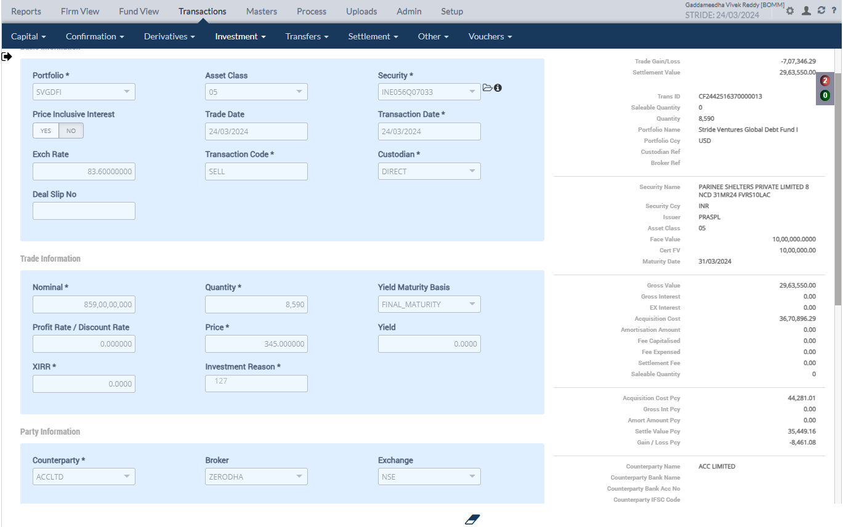

Accounting Enquiry
Portfolio | Portfolio Class | Entry Date | Trans Date | Ledger ID | Trans ID | Module Ref | Account Type | Control AC | Control AC Name | Gl Entry Code | Gl Account | Gl Account Name | Currency | Credit/Debit | Amount Tcy | Amount Pcy | Exch Rate | Asset Class | Asset Group | Security | Security Type | Trans Code | Broker | Counterparty | Narration | Is Reversed | Is Sysgen | Portfolio Currency | Trans Ref
SVGDFI |  | 24-Mar-2024 | 24-Mar-2024 | CF244251637000001308 | CF2442516370000013 | ORDCONFIRM | INC | 510980 | Investment fx gain/loss | UNREALGLFOREX | 510980-05-INR | Investment fx gain/loss | INR | Cr | 00.00 | 370.77 | 83.6 | 05 |  | INE056Q07033 | INV | SELL | ZERODHA | ACCLTD | Unrel Forex reversal on Sale of 8590 quantity of INE056Q07033 PARINEE SHELTERS PRIVATE LIMITED 8 NCD 31MR24 FVRS10LAC | N | N | USD | PL2442516370000009
SVGDFI |  | 24-Mar-2024 | 24-Mar-2024 | CF244251637000001307 | CF2442516370000013 | ORDCONFIRM | AST | 010122 | F/X GAIN LOSS ON INVESTMENT | INVFXAPPDEP | 010122-05-INR | F/X GAIN LOSS ON INVESTMENT | INR | Cr | 00.00 | -370.77 | 83.6 | 05 |  | INE056Q07033 | INV | SELL | ZERODHA | ACCLTD | Unrel Forex reversal on Sale of 8590 quantity of INE056Q07033 PARINEE SHELTERS PRIVATE LIMITED 8 NCD 31MR24 FVRS10LAC | N | N | USD | PL2442516370000009
SVGDFI |  | 24-Mar-2024 | 24-Mar-2024 | CF244251637000001306 | CF2442516370000013 | ORDCONFIRM | AST | 010110 | Investments - App/(Dep) | INVESTAPPDEP | 010110-05-INR | Investments - App/(Dep) | INR | Cr | 1,039,773.81 | 12,437.48 | 83.6 | 05 |  | INE056Q07033 | INV | SELL | ZERODHA | ACCLTD | Unrel Appr/depr Reversal for sale transaction PARINEE SHELTERS PRIVATE LIMITED 8 NCD 31MR24 FVRS10LAC | N | N | USD | PL2442516370000009
SVGDFI |  | 24-Mar-2024 | 24-Mar-2024 | CF244251637000001305 | CF2442516370000013 | ORDCONFIRM | INC | 510000 | Unrealised Gain/Loss On INVESTMENT | UNREALGLINVEST | 510000-05-INR | Unrealised Gain/Loss On INVESTMENT | INR | Dr | -1,039,773.81 | -12,437.48 | 83.6 | 05 |  | INE056Q07033 | INV | SELL | ZERODHA | ACCLTD | Unrel Appr/depr Reversal for sale transaction PARINEE SHELTERS PRIVATE LIMITED 8 NCD 31MR24 FVRS10LAC | N | N | USD | PL2442516370000009
SVGDFI |  | 24-Mar-2024 | 24-Mar-2024 | CF244251637000001304 | CF2442516370000013 | ORDCONFIRM | INC | 611001 | Gain/(Loss) On Foreign Exchange | REALGLFOREX | 611001-INR-INR | Gain/(Loss) On Foreign Exchange | INR | Cr | 00.00 | -370.77 | 83.6 | 05 |  | INE056Q07033 | INV | SELL | ZERODHA | ACCLTD | Gain/Loss Forex on Sale of 8590 quantity of INE056Q07033 PARINEE SHELTERS PRIVATE LIMITED 8 NCD 31MR24 FVRS10LAC | N | N | USD | PL2442516370000009
SVGDFI |  | 24-Mar-2024 | 24-Mar-2024 | CF244251637000001303 | CF2442516370000013 | ORDCONFIRM | EXP | 810010 | Loss on Sale of Investments - Market | MARKETLOSS | 810010-05-INR | Loss on Sale of Investments - Market | INR | Dr | -707,346.29 | -8,461.08 | 83.6 | 05 |  | INE056Q07033 | INV | SELL | ZERODHA | ACCLTD | Market Loss on Sale of 8590 quantity of INE056Q07033 PARINEE SHELTERS PRIVATE LIMITED 8 NCD 31MR24 FVRS10LAC | N | N | USD | PL2442516370000009
SVGDFI |  | 24-Mar-2024 | 24-Mar-2024 | CF244251637000001302 | CF2442516370000013 | ORDCONFIRM | AST | 110600 | Due From Financial Institutions | COUNTERPARTYREC | 110600-INR | Due From Financial Institutions | INR | Dr | -2,963,550.00 | -35,449.16 | 83.6 | 05 |  | INE056Q07033 | INV | SELL | ZERODHA | ACCLTD | Counterparty Receivable on Sale of 8590 quantity of INE056Q07033 PARINEE SHELTERS PRIVATE LIMITED 8 NCD 31MR24 FVRS10LAC | N | N | USD | PL2442516370000009
SVGDFI |  | 24-Mar-2024 | 24-Mar-2024 | CF244251637000001301 | CF2442516370000013 | ORDCONFIRM | AST | 010101 | Investments | INVESTMENT | 010101-05-INR | Investments | INR | Cr | 3,670,896.29 | 44,281.01 | 83.6 | 05 |  | INE056Q07033 | INV | SELL | ZERODHA | ACCLTD | Cost of Sale on 8590 quantity of INE056Q07033 PARINEE SHELTERS PRIVATE LIMITED 8 NCD 31MR24 FVRS10LAC | N | N | USD | PL2442516370000009

 |  |  |  |  |  |  |  |  |  |  |  |  |  | FIFO | 3,670,896.29

Purchase Sale
Portfolio | Portfolio Name | Sector Name | Industry Name | Trans Date | Settlement Date | Transaction ID | Transaction Type | Security | Security Name | Strike Price | Asset Class | Asset Name |  | Exchange |  | Broker |  | Broker Name |  | CounterParty | CounterParty Name | Custodian Name | Quantity |  | Rate |  | Gross Value |  | Yield | Brokerage | Brokerage % | Stt Amount | Clearing Fees | Others Fees | Net Amount TCY | Net Amount PCY | Acquisition Cost TCY | Acquisition Cost PCY | Gain Loss TCY | Gain Loss PCY | Gross Interest TCY | Gross Interest PCY
SVGDFI | Stride Ventures Global Debt Fund I | V | 0252 | 24-Mar-2024 | 25-Mar-2024 | CF2442516370000013 | SELL | INE056Q07033 | PARINEE SHELTERS PRIVATE LIMITED 8 NCD 31MR24 FVRS10LAC | 0.00 | 05 |  | NCD - Non Convertible Deb |  | NSE |  | ZERODHA |  | Zerodha Broking Limited |  |  |  |  | 8,590.00 |  | 345.000000 |  | 35,449.16 | 0.0000% | 0.00 | 0.000000 | 0.00 | 0.00 | 0.00 | 2,963,550.00 | 35,449.16 | 3,670,896.29 | 44,281.01 | (707,346.29) | (8,461.08) | 0.00 | 0.00

 |  |  |  |  |  |  |  |  |  |  |  |  |  |  |  |  |  |  |  |  |  |  |  |  |  |  |  |  |  |  |  |  |  |  | 2963550 | 35449.162679 |  |  | -707,346.29 | -8461.0800239

UPLOAD FIFO
PORTFOLIO | SECURITY | ISIN_CODE | BROKER | QUANTITY | PRICE | EXCHANGE | SEGMENT | TRANS_CODE | TRADE_DATE | SETL_DATE | Deal SliP No | DELIVERY_TYPE | BANK_ACC_CODE | BANK_TXN_MODE | BANK_ACC_AMT_ACY | YIELD | COUNTERPARTY | IS_COMPUTE_FEE | CUM_EX_BEN_TYPE | GROSS_INT_TCY | EX_INT_TCY | NET_AMOUNT_TCY | Brokerage | STT Amount | CCIl Charges | REC_REMARKS | Stamp duty
SVGDFI | INE056Q07033 | INE056Q07033 |  | 567.00 | 13.77 | NSE | CM | BUY | 22-Mar-24 | 22-Mar-24 |  | CH |  | TRF | 7,807.59 |  |  | N | NA | 0.00 | 0.00 | 18,723.92 | 6,577.00 | 4,339.33 | 0.00 | DealUpload | 0.00
SVGDFI | INE056Q07033 | INE056Q07033 |  | 897.00 | 432.77 | NSE | CM | BUY | 22-Mar-24 | 23-Mar-24 |  | CH |  | TRF | 388,194.69 |  |  | N | NA | 0.00 | 0.00 | 399,598.58 | 6,892.00 | 4,511.89 | 0.00 | DealUpload | 0.00

Accounting Enquiry
Portfolio | Portfolio Class | Entry Date | Trans Date | Ledger ID | Trans ID | Module Ref | Account Type | Control AC | Control AC Name | Gl Entry Code | Gl Account | Gl Account Name | Currency | Credit/Debit | Amount Tcy | Amount Pcy | Exch Rate | Asset Class | Asset Group | Security | Security Type | Trans Code | Broker | Counterparty | Narration | Is Reversed | Is Sysgen | Portfolio Currency | Trans Ref
SVGDFI |  | 22-Mar-2024 | 22-Mar-2024 | UG244251637000001102 | UG2442516370000011 | UNREAL_GAINLOSS | INC | 510000 | Unrealised Gain/Loss On INVESTMENT | UNREALGLINVEST | 510000-05-INR | Unrealised Gain/Loss On INVESTMENT | INR | Cr | 413,068.46 | 4,982.73 | 82.9 | 05 |  | INE056Q07033 | INV | UPRFLS |  |  | Unrealised Gain/Loss on Security INE056Q07033 on the Price change - Strike Price 0 PARINEE SHELTERS PRIVATE LIMITED 8 NCD 31MR24 FVRS10LAC | N | Y | USD | UG2442516370000011
SVGDFI |  | 22-Mar-2024 | 22-Mar-2024 | UG244251637000001101 | UG2442516370000011 | UNREAL_GAINLOSS | AST | 010110 | Investments - App/(Dep) | INVESTAPPDEP | 010110-05-INR | Investments - App/(Dep) | INR | Dr | -413,068.46 | -4,982.73 | 82.9 | 05 |  | INE056Q07033 | INV | UPRFLS |  |  | Unrealised Gain/Loss on Security INE056Q07033 on the Price change - Strike Price 0 PARINEE SHELTERS PRIVATE LIMITED 8 NCD 31MR24 FVRS10LAC | N | Y | USD | UG2442516370000011
SVGDFI |  | 22-Mar-2024 | 22-Mar-2024 | CF244251637000000902 | CF2442516370000009 | ORDCONFIRM | LIA | 210100 | CONTRACT FOR PURCHASE OF INVESTMENT | BROKERPAY | 210100-05-INR | CONTRACT FOR PURCHASE OF INVESTMENT | INR | Cr | 399,598.58 | 4,820.25 | 82.9 | 05 |  | INE056Q07033 | INV | BUY |  |  | Broker Payable on Purchase of 897 quantity of INE056Q07033 PARINEE SHELTERS PRIVATE LIMITED 8 NCD 31MR24 FVRS10LAC | N | N | USD | CF2442516370000007
SVGDFI |  | 22-Mar-2024 | 22-Mar-2024 | CF244251637000000901 | CF2442516370000009 | ORDCONFIRM | AST | 010101 | Investments | INVESTMENT | 010101-05-INR | Investments | INR | Dr | -399,598.58 | -4,820.25 | 82.9 | 05 |  | INE056Q07033 | INV | BUY |  |  | Purchase of 897 quantity of INE056Q07033 PARINEE SHELTERS PRIVATE LIMITED 8 NCD 31MR24 FVRS10LAC | N | N | USD | CF2442516370000007
SVGDFI |  | 22-Mar-2024 | 22-Mar-2024 | CF244251637000000802 | CF2442516370000008 | ORDCONFIRM | AST | 110100 | Current Bank Account | CURRENTBACCOUNT | 110100-923020025866944-INR | Current Bank Account | INR | Cr | 18,723.92 | 225.86 | 82.9 | 05 |  | INE056Q07033 | INV | BUY |  |  | Purchase Trade settlement 567 quantity of INE056Q07033 PARINEE SHELTERS PRIVATE LIMITED 8 NCD 31MR24 FVRS10LAC | N | N | USD | CF2442516370000006
SVGDFI |  | 22-Mar-2024 | 22-Mar-2024 | CF244251637000000801 | CF2442516370000008 | ORDCONFIRM | AST | 010101 | Investments | INVESTMENT | 010101-05-INR | Investments | INR | Dr | -18,723.92 | -225.86 | 82.9 | 05 |  | INE056Q07033 | INV | BUY |  |  | Purchase of 567 quantity of INE056Q07033 PARINEE SHELTERS PRIVATE LIMITED 8 NCD 31MR24 FVRS10LAC | N | N | USD | CF2442516370000006

 |  |  |  |  |  |  |  |  |  |  |  |  |  | APP/DEP | (413,068.46)
Holding
Symbol | Security | Security Name | Security Listed | TCY | ISIN Code | Maturity Date | Quantity | Average Price | Strike Price | Book Cost in TCY | Book Cost in PCY | Market Price | Market Value in TCY | Market Value in PCY | % of NAV | Interest Accruals in TCY | Interest Accruals in PCY | Accrued AOD TCY | Accrued AOD PCY | Amortised Cost PCY | Amortised Cost Per Unit | Exchange | App/Dep in TCY | App/Dep in PCY | Unrel GL TCY | Unrel GL PCY | Unrel GL FX PCY | Variable Margin TCY | Variable Margin PCY | Market Price Date
 | INE056Q07033 | PARINEE SHELTERS PRIVATE LIMITED 8 NCD.. |  | INR | INE056Q07033 | 31-Mar-2024 | 10,040.0000 | 403.2710 | 0.000000 | 4,048,841.50 | 48,840.06 | 567.8900 | 5,701,615.60 | 68,777.03 | 2.6266 | 0.00 | 0.00 | 0.00 | 0.00 | 48,840.06 | 0.00 | 82.900000 | 1,652,774.10 | 19,936.97 | 1,652,774.10 | 19,936.96 | 0.00 | 0.00 | 0.00 | 22-Mar-2024

 |  |  |  |  |  |  | 10,040.00 | 403.27106574 |  | 4,048,841.5 |  |  |  |  |  |  |  |  |  |  |  |  | 1,652,774.1 | 19936.961399
 |  |  |  |  |  |  |  |  |  |  |  |  |  |  | 6886.0714286
Purchase Sale
Portfolio | Portfolio Name | Sector Name | Industry Name | Trans Date | Settlement Date | Transaction ID | Transaction Type | Security | Security Name | Strike Price | Asset Class | Asset Name | Exchange | Broker | Broker Name | CounterParty | CounterParty Name | Custodian Name | Quantity | Rate | Gross Value | Yield | Brokerage | Brokerage % | Stt Amount | Clearing Fees | Others Fees | Net Amount TCY | Net Amount PCY | Acquisition Cost TCY | Acquisition Cost PCY | Gain Loss TCY | Gain Loss PCY | Gross Interest TCY | Gross Interest PCY
SVGDFI | Stride Ventures Global Debt Fund I | V | 0252 | 22-Mar-2024 | 22-Mar-2024 | CF2442516370000008 | BUY | INE056Q07033 | PARINEE SHELTERS PRIVATE LIMITED 8 NCD 31MR24 FVRS10LAC | 0.00 | 05 | NCD - Non Convertible Deb | NSE |  |  |  |  |  | 567.00 | 13.770000 | 94.18 | 0.0000% | 79.34 | 84.242939 | 52.34 | 0.00 | 0.00 | 18,723.92 | 225.86 | 18,723.92 | 225.86 | 0.00 | 0.00 | 0.00 | 0.00
SVGDFI | Stride Ventures Global Debt Fund I | V | 0252 | 22-Mar-2024 | 23-Mar-2024 | CF2442516370000009 | BUY | INE056Q07033 | PARINEE SHELTERS PRIVATE LIMITED 8 NCD 31MR24 FVRS10LAC | 0.00 | 05 | NCD - Non Convertible Deb | NSE |  |  |  |  |  | 897.00 | 432.770000 | 4,682.69 | 0.0000% | 83.14 | 1.775475 | 54.43 | 0.00 | 0.00 | 399,598.58 | 4,820.25 | 399,598.58 | 4,820.25 | 0.00 | 0.00 | 0.00 | 0.00

Settle T+1 trades after Freeze NAV
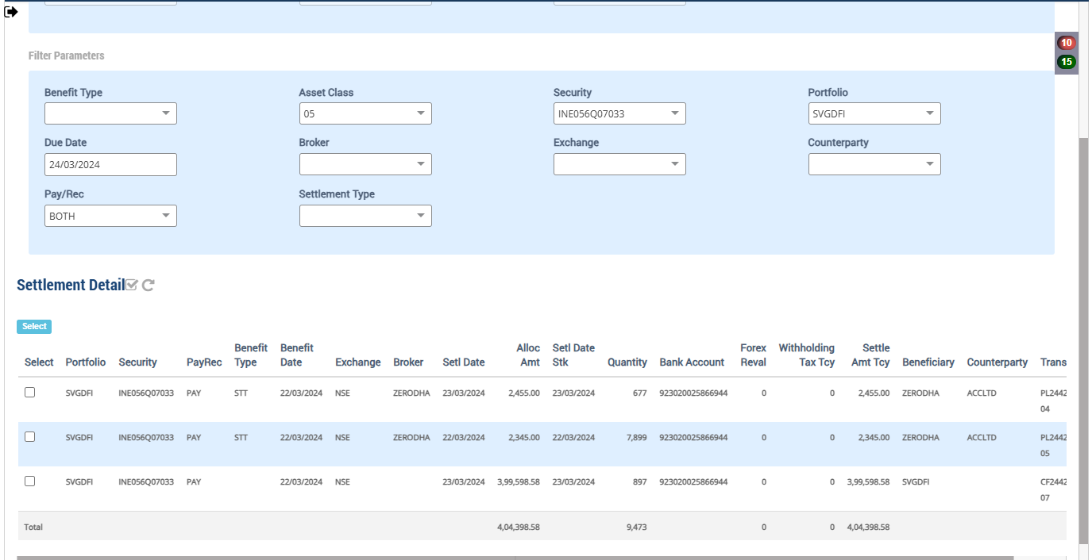

Accounting Enquiry
Portfolio | Portfolio Class | Entry Date | Trans Date | Ledger ID | Trans ID | Module Ref | Account Type | Control AC | Control AC Name | Gl Entry Code | Gl Account | Gl Account Name | Currency | Credit/Debit | Amount Tcy | Amount Pcy | Exch Rate | Asset Class | Asset Group | Security | Security Type | Trans Code | Broker | Counterparty | Narration | Is Reversed | Is Sysgen | Portfolio Currency | Trans Ref
SVGDFI |  | 24-Mar-2024 | 24-Mar-2024 | IC244251637000003102 | IC2442516370000031 | FOREX_REVAL | INC | 510005 | FX Unrealised Gain Loss | FXUGLPROFITLOSS | 510005-INR | FX Unrealised Gain Loss | INR | Cr | 00.00 | -40.36 | 83.6 |  |  |  | IRS | CCYVAL |  |  | Forex Revaluation - Unrealised Gain / loss | N | Y | USD | IC2442516370000031
SVGDFI |  | 24-Mar-2024 | 24-Mar-2024 | IC244251637000003101 | IC2442516370000031 | FOREX_REVAL | LIA | 210100 | CONTRACT FOR PURCHASE OF INVESTMENT | BROKERPAY | 210100-05-INR | CONTRACT FOR PURCHASE OF INVESTMENT | INR | Cr | 00.00 | 40.36 | 83.6 |  |  |  | IRS | CCYVAL |  |  | Forex Revaluation - GL Account : 210100-05-INR | N | Y | USD | IC2442516370000031
SVGDFI |  | 24-Mar-2024 | 24-Mar-2024 | IC244251637000003002 | IC2442516370000030 | FOREX_REVAL | INC | 620000 | Realised gain/loss on Forex | FXPROFITLOSS | 620000-INR | Realised gain/loss on Forex | INR | Cr | 00.00 | 00.01 | 83.6 |  |  |  | IRS | CCYVAL |  |  | Forex Revaluation - Realised - Bank Acc Code : 923020025866944 | N | Y | USD | IC2442516370000030
SVGDFI |  | 24-Mar-2024 | 24-Mar-2024 | IC244251637000003001 | IC2442516370000030 | FOREX_REVAL | AST | 110100 | Current Bank Account | CURRENTBACCOUNT | 110100-923020025866944-INR | Current Bank Account | INR | Cr | 00.00 | -00.01 | 83.6 |  |  |  | IRS | CCYVAL |  |  | Forex Revaluation - GL Account : 110100-923020025866944-INR | N | Y | USD | IC2442516370000030
SVGDFI |  | 24-Mar-2024 | 24-Mar-2024 | PR244251637000006103 | PR2442516370000061 | PAYREC_SETTLE | INC | 620000 | Realised gain/loss on Forex | FXPROFITLOSS | 620000-INR | Realised gain/loss on Forex | INR | Cr | 00.00 | 40.36 | 82.9 | 05 |  | INE056Q07033 | INV | TSTBRP |  |  | Forex Realised Gain / Loss - Trade Settlement PARINEE SHELTERS PRIVATE LIMITED 8 NCD 31MR24 FVRS10LAC | N | N | USD | CF2442516370000009
SVGDFI |  | 24-Mar-2024 | 24-Mar-2024 | PR244251637000006102 | PR2442516370000061 | PAYREC_SETTLE | AST | 110100 | Current Bank Account | CURRENTBACCOUNT | 110100-923020025866944-INR | Current Bank Account | INR | Cr | 399,598.58 | 4,779.89 | 83.6 | 05 |  | INE056Q07033 | INV | TSTBRP |  |  | Broker Purchase Settlement of 897 quantity of INE056Q07033 PARINEE SHELTERS PRIVATE LIMITED 8 NCD 31MR24 FVRS10LAC | N | N | USD | CF2442516370000009
SVGDFI |  | 24-Mar-2024 | 24-Mar-2024 | PR244251637000006101 | PR2442516370000061 | PAYREC_SETTLE | LIA | 210100 | CONTRACT FOR PURCHASE OF INVESTMENT | BROKERPAY | 210100-05-INR | CONTRACT FOR PURCHASE OF INVESTMENT | INR | Dr | -399,598.58 | -4,820.25 | 82.9 | 05 |  | INE056Q07033 | INV | TSTBRP |  |  | Broker Purchase Settlement of 897 quantity of INE056Q07033 PARINEE SHELTERS PRIVATE LIMITED 8 NCD 31MR24 FVRS10LAC | N | N | USD | CF2442516370000009

